Figure 1
Figure 1
 | GENERAL GOVERNMENT REVENUE
 | Change – Six Months to 31 December 2025
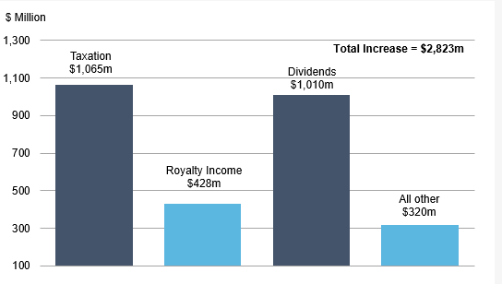

 |  | Change
 |  | $m
 | Taxation | 1,065
 | Royalty Income | 428
 | Dividends | 1,010
 | All other | 320

Figure 2
Figure 2
 | GOLD PRICE

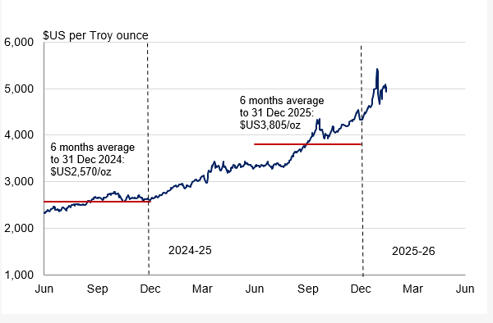

Figure 3
Figure 3

 | GENERAL GOVERNMENT REVENUE
 | Six Months to 31 December 2025
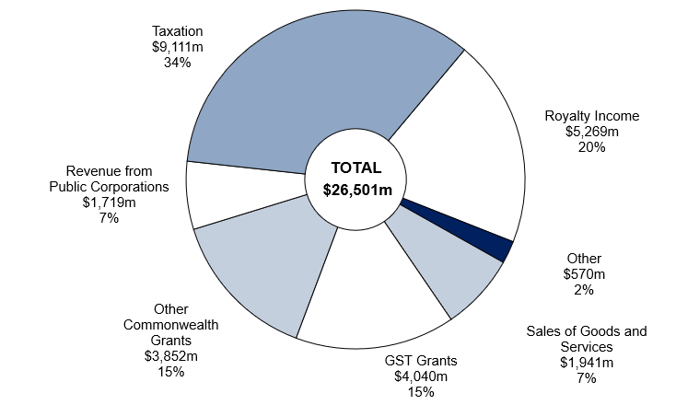

Note: Segments may not add due to rounding.

 | December
 | 2025-26 | %
Royalty Income | 5,269 | 20
Sales of Goods and Services | 1,941 | 7
GST Grants | 4,040 | 15
Other Commonwealth Grants | 3,852 | 15
Revenue from Public Corporations | 1,719 | 7
Other | 570 | 2
Taxation | 9,111 | 34
Total | 26,501 | 100

