Figure 2
Figure 2
 | GOLD PRICE

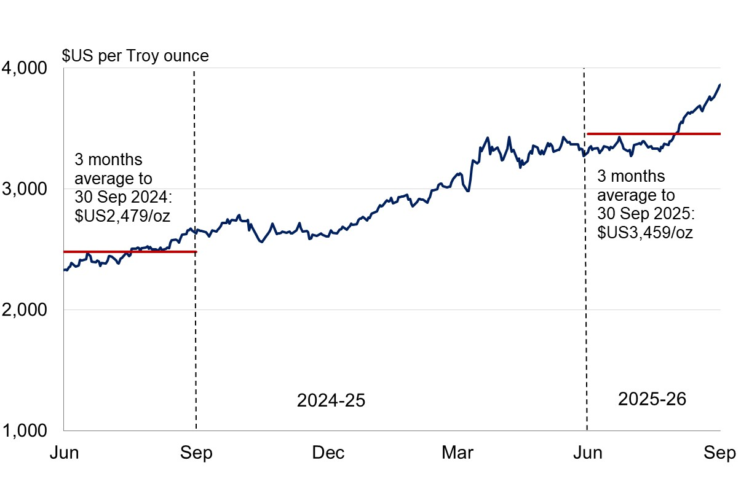

Figure 4
Figure 4
 | GENERAL GOVERNMENT EXPENSES
 | Three Months to 30 September 2025

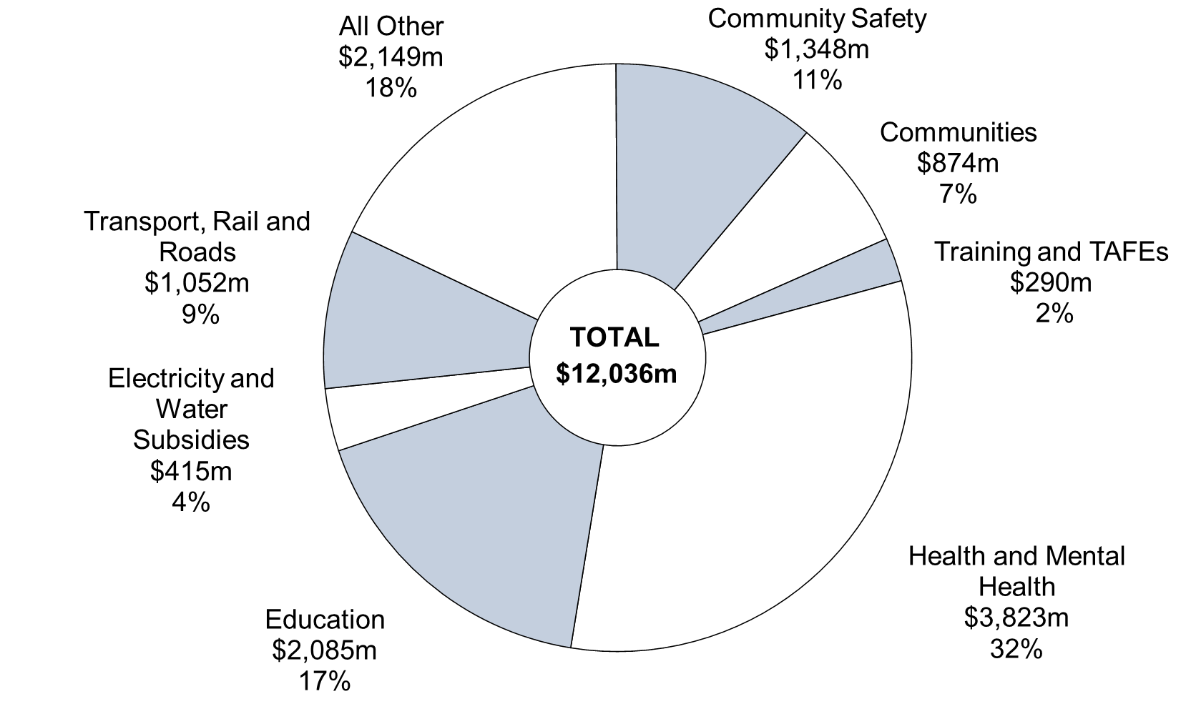

Note: Segments may not add due to rounding.

 |  | September
 |  | 2025-26 | %
 | Health and Mental Health | 3,823 | 32
 | Education | 2,085 | 17
 | Community Safety | 1,348 | 11
 | Communities | 874 | 7
 | Transport, Rail and Roads | 1,052 | 9
 | Electricity and Water Subsidies | 415 | 4
 | Training and TAFEs | 290 | 2
 | All Other | 2,149 | 18
 | Total | 12,036 | 100

