Performance Criteria
Supplier Referee Report (Contractor)

NOTES ON COMPLETING THIS REPORT

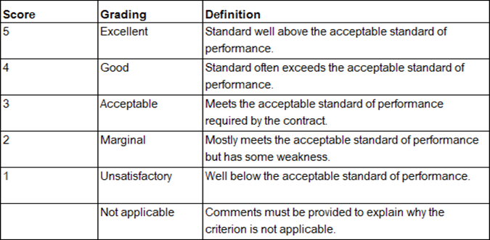 You have been provided with this template to comment on the performance of a contractor who has tendered to contract with the Department of Housing and Works (the Department). This template is similar to one used within the Department to assess contractors' performance in delivering projects we manage. We ask referees to use this template to enable us to more accurately compare information we keep with that provided as part of the tender. You may consider some criteria not relevant, or you may be unable to comment. In that case, to ensure accurate scoring, please mark those criteria as not applicable. In providing a rating, you may wish to use the following as a guide: Each criterion includes a comments field. It is not necessary to provide comments but doing so may support a more nuanced evaluation. If you have any questions about using the template, please contact Assistant Director Supplier Management on 08 6551 1984.

GENERAL INFORMATION

Name of contract you are providing comment on:

Approximate value of contract at completion (GST incl):

Award date:

Date of practical completion:

Name of person providing referee report:

Position and name of company:

Contact details (phone or email):

I am happy for the Department to contact me:

Date of report:

PERFORMANCE AGAINST CRITERIA

COST MANAGEMENT (10%) | Not Satisfactory | Marginal | Good | Very Good | Excellent | Not Applicable | 6
 | 1 | 2 | 3 | 4 | 5 | 0 | 2
Factors for consideration include (where relevant): | 3 |  |  |  |  |  | 4
Project was delivered on budget. |  |  |  |  |  |  | 6
Project was not delivered on budget but there were mitigating factors. |  |  |  |  |  |  | 8
The majority of the contractor's payment claims were accurate. |  |  |  |  |  |  | 10

Please provide any comments:

TIME MANAGEMENT (20%) | Not Satisfactory | Marginal | Good | Very Good | Excellent | Not Applicable
 | 1 | 2 | 3 | 4 | 5 | 0 | 12
Factors for consideration include (where relevant): | 3 |  |  |  |  |  | 4
Project was delivered on time. |  |  |  |  |  |  | 8
Project was not delivered on time but there were mitigating circumstances. |  |  |  |  |  |  | 12
Contractor met programmed milestones. |  |  |  |  |  |  | 16
Resources were allocated appropriately to critical milestones. |  |  |  |  |  |  | 20

Please provide any comments:

CONTRACT ADMINISTRATION (20%) | Not Satisfactory | Marginal | Good | Very Good | Excellent | Not Applicable | 12
 | 1 | 2 | 3 | 4 | 5 | 0 | 4
Factors for consideration include (where relevant): | 3 |  |  |  |  |  | 8
Accurate and timely submission of required documents and other information. |  |  |  |  |  |  | 12
Number of variations requested and approved. |  |  |  |  |  |  | 16
Number of EOT claims submitted and approved. |  |  |  |  |  |  | 20

Please provide any comments:

QUALITY MANAGEMENT (20%) | Not Satisfactory | Marginal | Good | Very Good | Excellent | Not Applicable | 12
 | 1 | 2 | 3 | 4 | 5 | 0 | 4
Factors for consideration include (where relevant): | 3 |  |  |  |  |  | 8
The works were completed to the required standard and performance requirements. |  |  |  |  |  |  | 12
Amount of remedial work required, if any. |  |  |  |  |  |  | 16
Performance in rectifying defects, if any. |  |  |  |  |  |  | 20

Please provide any comments:

RESOURCE MANAGEMENT (10%) | Not Satisfactory | Marginal | Good | Very Good | Excellent | Not Applicable
 | 1 | 2 | 3 | 4 | 5 | 0 | 6
Factors for consideration include (where relevant): | 3 |  |  |  |  |  | 2
Sufficient and suitable site personnel to carry out the works. |  |  |  |  |  |  | 4
Management of site personnel, including adherence to rules and procedures. |  |  |  |  |  |  | 6
Management of subcontractors and their work. |  |  |  |  |  |  | 8
Subcontractors paid in a timely fashion. |  |  |  |  |  |  | 10

Please provide any comments:

COMMUNICATION AND RELATIONSHIPS (10%) | Not Satisfactory | Marginal | Good | Very Good | Excellent | Not Applicable | 6
 | 1 | 2 | 3 | 4 | 5 | 0 | 2
Factors for consideration include (where relevant): | 3 |  |  |  |  |  | 4
Cooperative working relationship with principal to contract. |  |  |  |  |  |  | 6
Timely resolution of issues. |  |  |  |  |  |  | 8
Non-adversarial approach to dispute resolutions. |  |  |  |  |  |  | 10

Please provide any comments:

WORK HEALTH AND SAFETY ENVIRONMENT (10%) | Not Satisfactory | Marginal | Good | Very Good | Excellent | Not Applicable
 | 1 | 2 | 3 | 4 | 5 | 0 | 6
Factors for consideration include (where relevant): | 3 |  |  |  |  |  | 2
Compliance with WHS Act and regulations. |  |  |  |  |  |  | 4
Compliance with WHS issues nominated in contract. |  |  |  |  |  |  | 6
Implementation of site management plans. |  |  |  |  |  |  | 8
Number of infringements and directions issued. |  |  |  |  |  |  | 10

Please provide any comments:

OVERALL PERFORMANCE RATING

Overall performance score: |  | Excellent >=86% | Very Good 75-85.9% | Good 60-74.9% | Marginal 46-59.9% | Not Satisfactory <46%
60% |  | Standard well above the acceptable standard of performance | Standard often exceeds the acceptable standard of performance | Meets the acceptable standard of performance required by the contract | Mostly meets the acceptable standard of performance but has some weakness | Well below the acceptable standard of performance.

