Figure 1
Figure 1
GENERAL GOVERNMENT REVENUE
Change - Six Months to 31 December 2024

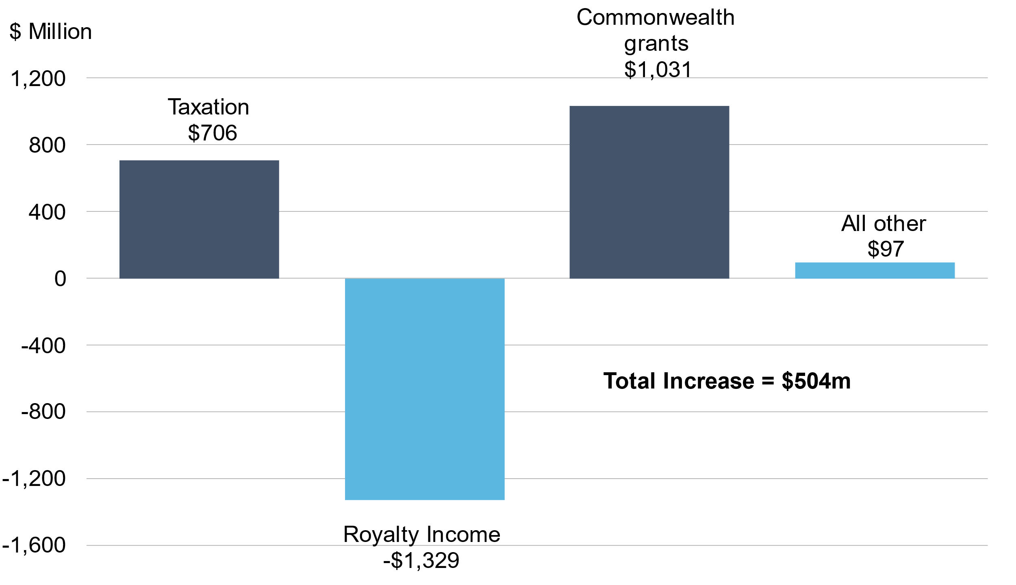

 |  | Change
 |  | $m
 | Royalty Income | -1,329
 | Taxation | 706
 | Commonwealth grants | 1,031
 | All other | 97

Figure 2
Figure 2
IRON ORE PRICE
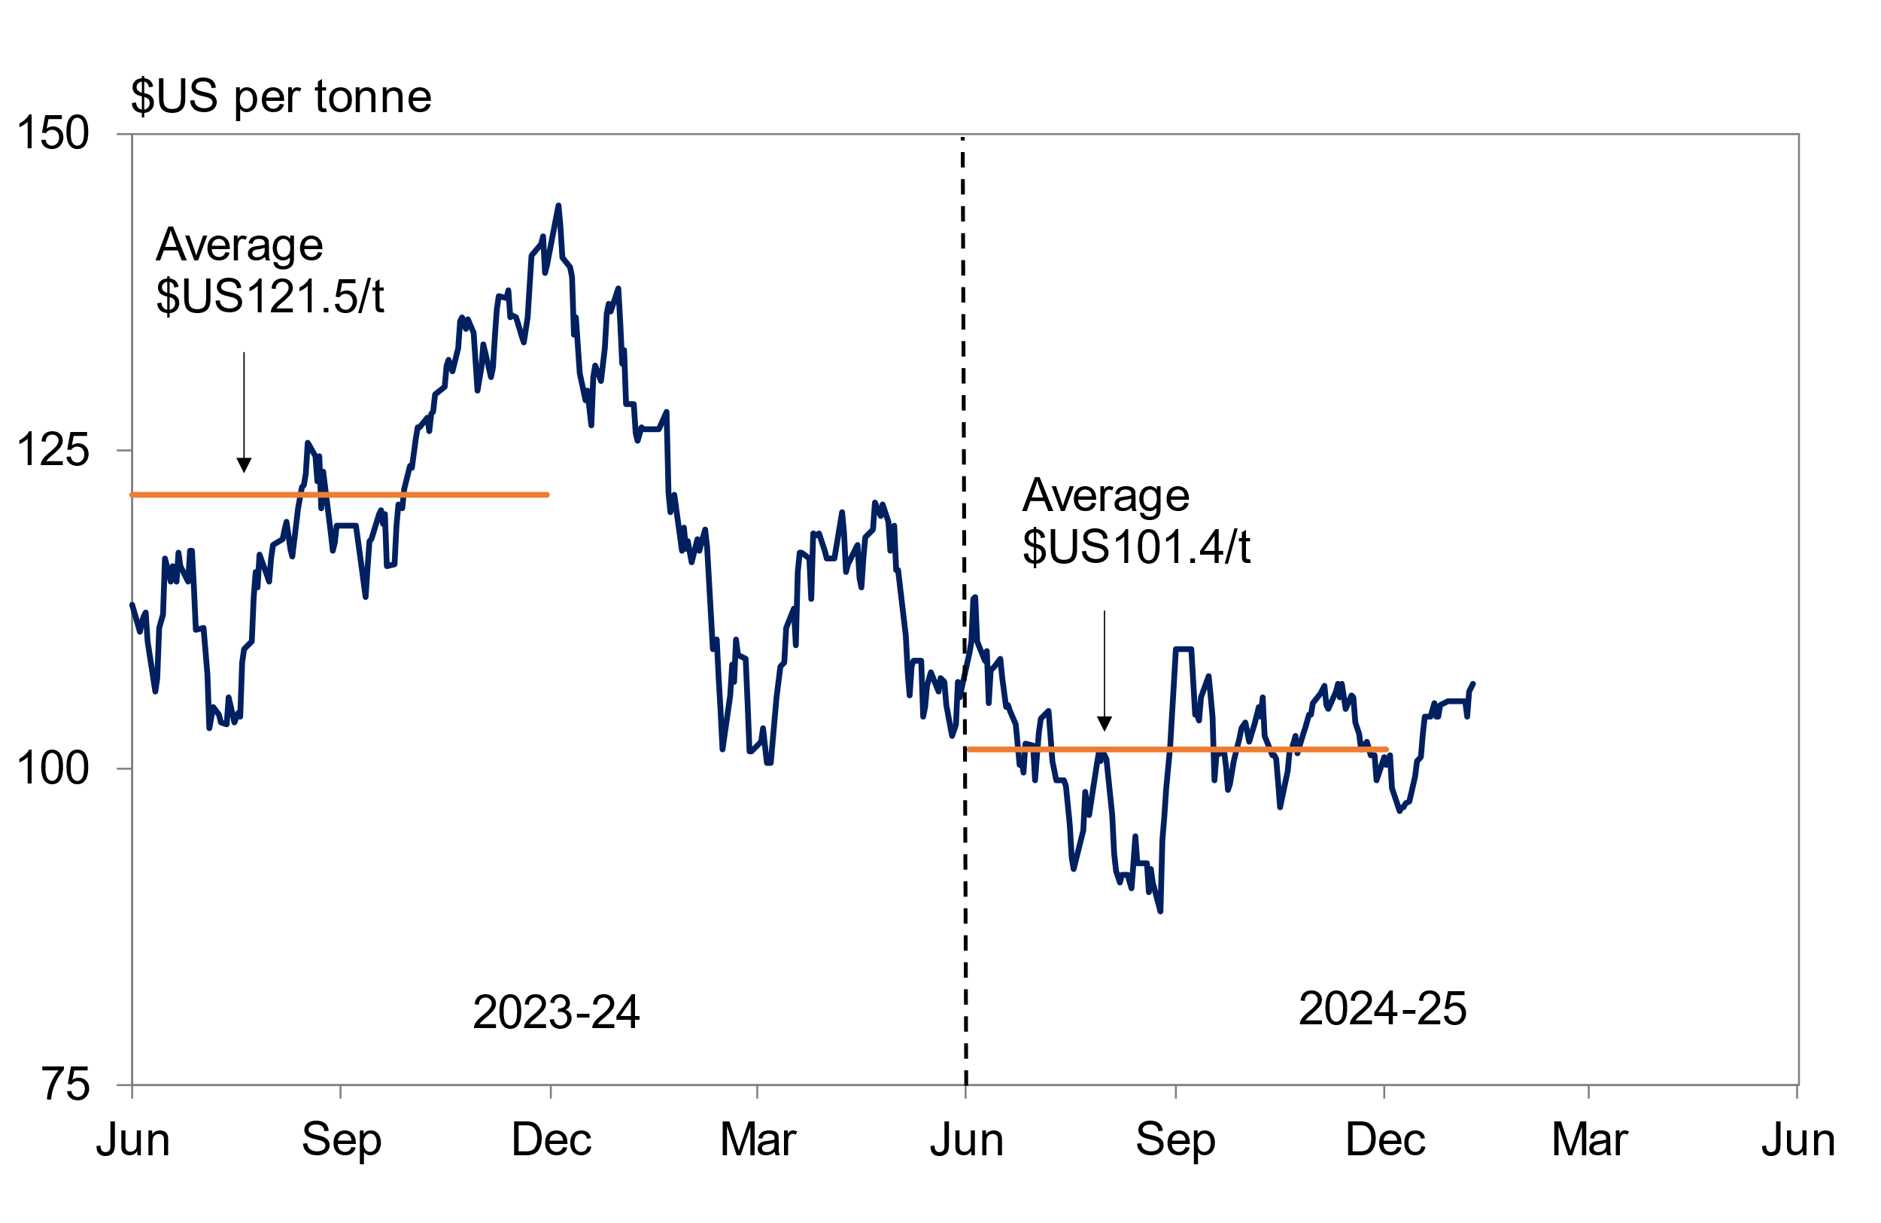

 |  | $US per tonne
 | six months average to 31 December 2024 | 101.4
 | six months average to 31 December 2023 | 121.5

Figure 3
Figure 3
GENERAL GOVERNMENT REVENUE
Six Months to 31 December 2024

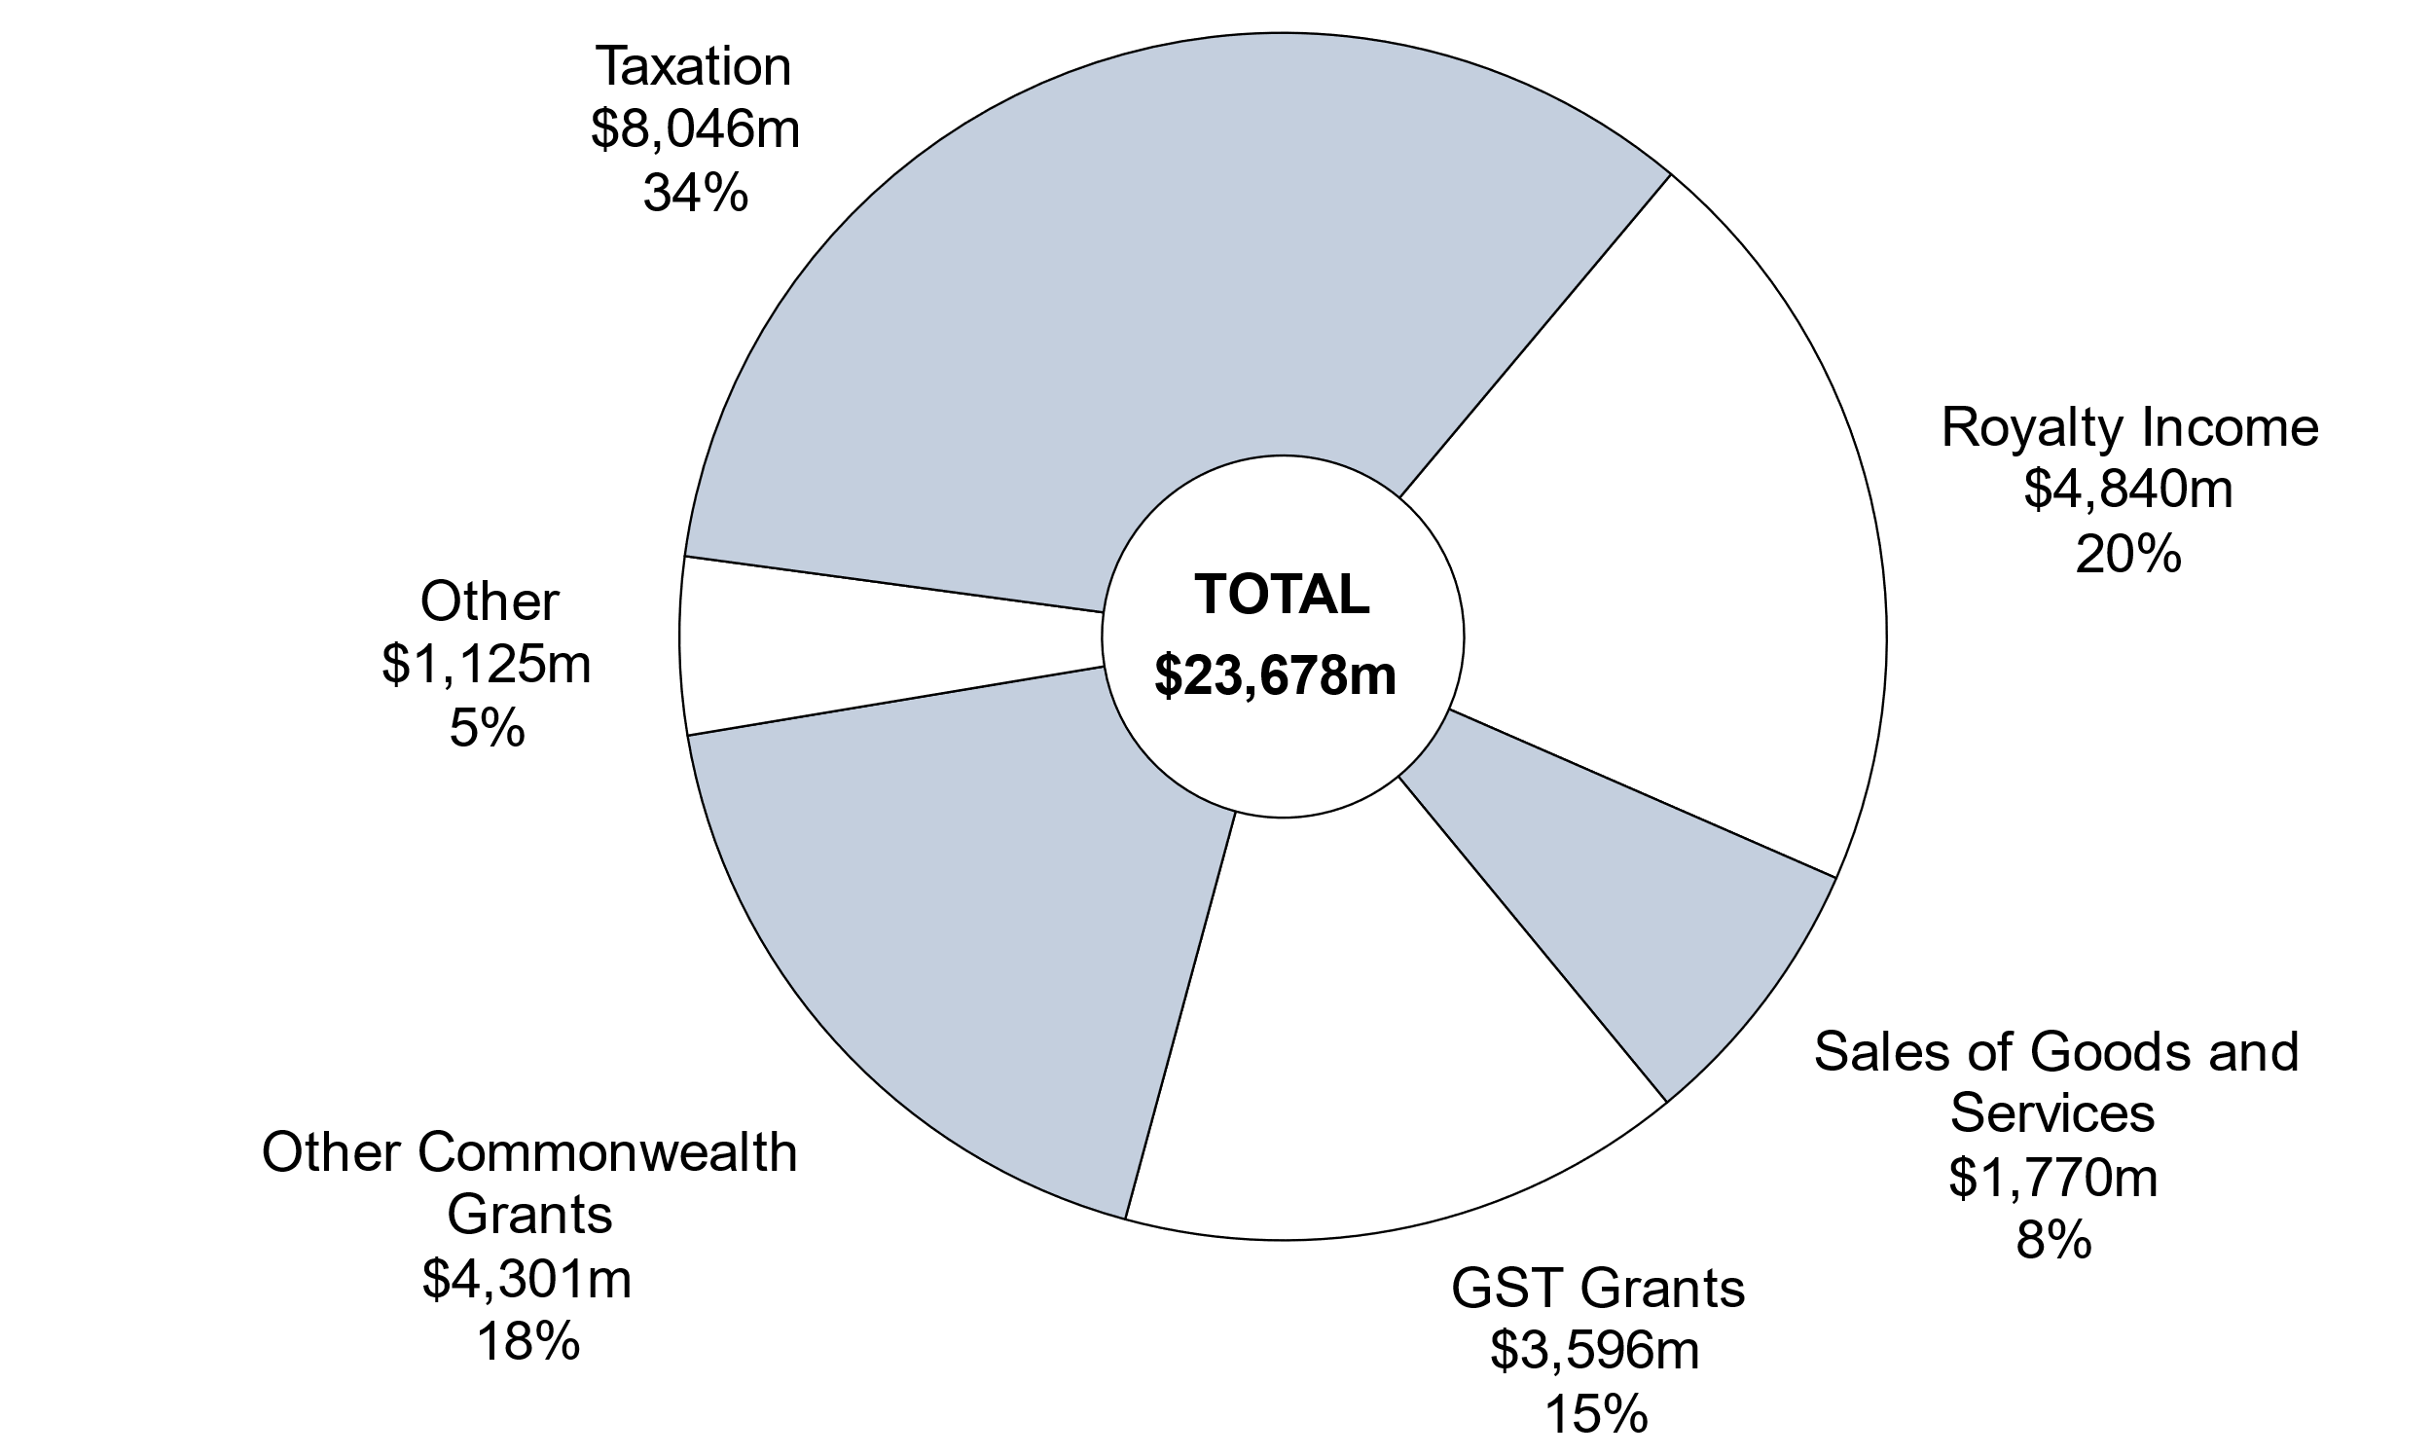

Note: Segments may not add due to rounding.
 | December
 | 2024-25 | %
Royalty Income | 4,840 | 20
Sales of Goods and Services | 1,770 | 7
GST Grants | 3,596 | 15
Other Commonwealth Grants | 4,301 | 18
Other | 1,125 | 5
Taxation | 8,046 | 34
Total | 23,678 | 100

Figure 4
Figure 4
GENERAL GOVERNMENT EXPENSES
Six Months to 31 December 2024

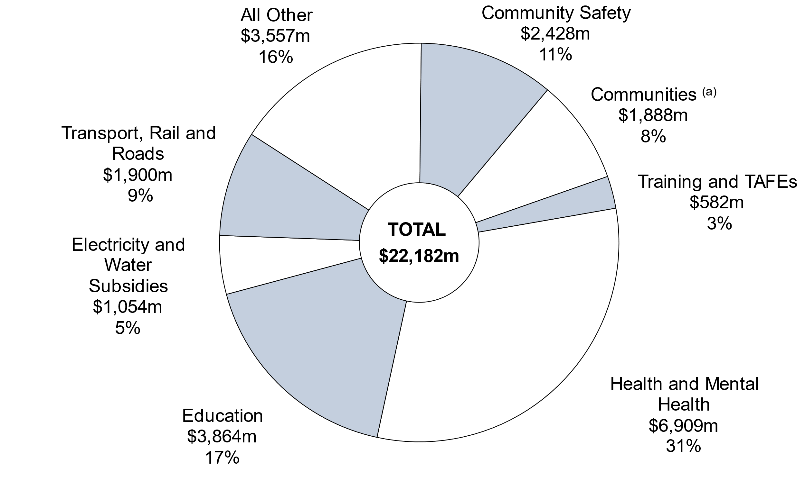

(a) The $1.9 billion for Communities in this chart represents the general government portion of the Department's recurrent spending (with some expenditure from the former Housing Authority remaining within the public non-financial corporations sector for the purpose of whole-of-government reporting).
Note: Segments may not add due to rounding.

 | December
 | 2024-25 | %
Health and Mental Health | 6,909 | 32
Education | 3,864 | 16
Community Safety | 2,428 | 11
Communities | 1,888 | 9
Transport, Rail and Roads | 1,900 | 8
Electricity and Water Subsidies | 1,054 | 5
Training and TAFEs | 582 | 3
All Other | 3,557 | 16
Total | 22,182 | 100

Figure 5
Figure 5
ASSET INVESTMENT PROGRAM
Six Months to 31 December 2024

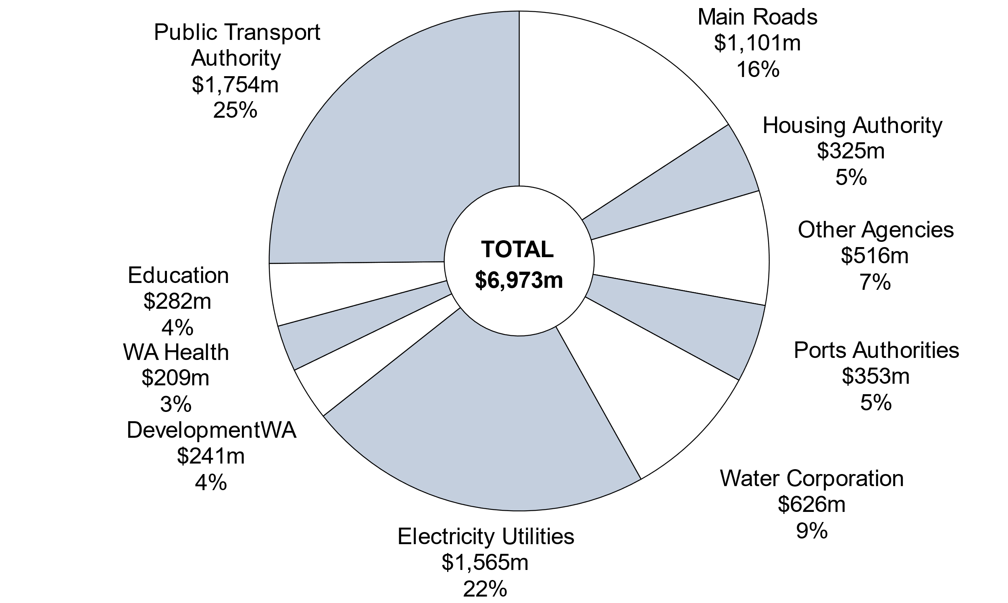

Note: Segments may not add due to rounding.

 | December | %
Main Roads | 1,101 | 16
Housing Authority | 325 | 5
Other Agencies | 516 | 7
Ports Authorities | 353 | 5
Water Corporation | 626 | 9
Electricity Utilities | 1,565 | 22
DevelopmentWA | 241 | 3
WA Health | 209 | 3
Education | 282 | 4
Public Transport Authority | 1,754 | 25
Total | 6,973 | 100

