Technical Rules
Aspect | Component | Clause | Content
Instrastructure Planning | Transmission | 2.5.2 | Transmission system The Network Service Provider must design the transmission system in accordance with the applicable criteria described below
Instrastructure Planning | Transmission | 2.5.2.1 | N-0 Criterion (a) A sub-network of the transmission system designed to the N-0 criterion will experience the loss of the ability to transfer power into the area supplied by that sub-network on the loss of a transmission element. Following such an event this power transfer capability will not be restored until the transmission element has been repaired or replaced. (b) The N-0 criterion may be applied to sub-networks with a peak load of less than 20 MVA and to zone substations with a peak load of less than 10 MVA. The N-0 criterion also applies to the 220 kV interconnection supplying the Eastern Goldfields region. (c) For a sub-network designed to the N-0 planning criteria, the Network Service Provider must use its best endeavours to transfer load to other parts of the transmission or distribution system to the extent that this is possible and that spare power transfer capacity is available. If insufficient back-up power transfer capacity is available, load shedding is permissible. Where a supply loss is of long duration, the Network Service Provider must endeavour to ration access to any available power transfer capacity by rotating the load shedding amongst the Consumers affected. (d) At zone substations subject to the N-0 criterion, the Network Service Provider may, at its discretion, install a further supply transformer if insufficient back-up power transfer capacity is available to supply loads by means of the distribution system to allow planned transformer maintenance to occur at off peak times without shedding load.
Instrastructure Planning | Transmission | 2.5.2.2 | N-1 Criterion (a) Any sub-network of the transmission system that is not identified within this clause 2.5.2 as being designed to another criterion must be designed to the N-1 planning criterion. (b) For sub-networks designed to the N-1 criterion, supply must be maintained and load shedding avoided at any load level and for any generation schedule following an outage of any single transmission element, except where: (1) a zone substation was designed to the 1% risk or NCR criteria in accordance with clause 2.5.4; or (2) operational restrictions have been agreed between the Network Service Provider and a User as per clause 3.1(b). (c) Following the loss of the transmission element, the power system must continue to operate in accordance with the power system performance standards specified in clause 2.2. (d) Notwithstanding the requirements clauses 2.5.2.2(b) and 2.5.2.2(c), where the failed transmission element is a zone substation supply transformer, supply may be lost for a brief switching period while loads are transferred to un-faulted supply transformers by means of distribution system switching. The Network Service Provider must maintain sufficient power transfer capacity to allow supply to all Consumers to be restored following switching.
Instrastructure Planning | Transmission | 2.5.2.3 | N-1-1 Criterion (a) The N-1-1 Criterion applies to those sub-networks of the transmission system where the occurrence of a credible contingency during planned maintenance of another transmission element would otherwise result in the loss of supply to a large number of Consumers. Sub-networks of the transmission system that are designed to the N-1-1 criterion include: all 330 kV lines, substations and power stations; all 132 kV terminal stations in the Perth metropolitan area, and Muja power station 132 kV substation; all 132 kV transmission lines that supply a sub-system of the transmission system comprising more than 5 zone substations with total peak load exceeding 400 MVA; and all power stations whose total rated export to the transmission system exceeds 600 MW. (b) The range of operating conditions that are allowed for when planning a part of the transmission system to meet the N-1-1 criterion is set out in Table 2.9. (c) Under the N-1-1 criterion, each sub-network must be capable of withstanding the coincident planned and unplanned outages of transmission elements listed in Table 2.9 at up to 80% of the expected transmission system peak load. In determining whether the N-1-1 criteria have been met, the Network Service Provider may assume that, during the planned outage, generation has been rescheduled to mitigate the effect of the subsequent unplanned outage. (d) Following the unplanned outage of the transmission element, the power system must continue to operate in accordance with the performance standards specified in clause 2.2, provided the transmission system load remains below 80% of the expected peak load.
Instrastructure Planning | Distribution | 2.5.3 | (a) The Perth CBD criterion applies to those sub-networks of the transmission system that transfer power to the Perth CBD and zone substations and the transmission lines that terminate in those zone substations that supply Perth CBD. (b) Following any outage within a sub-network to which the Perth CBD criterion applies involving: one or two transmission lines; one or two supply transformers; or one transmission line and one supply transformer, and irrespective of whether any single transmission element outage is planned or unplanned, there must be sufficient power transfer capacity in the transmission system to maintain supply to all Consumers within the Perth CBD without the need to reschedule generation. (c) For an unplanned outage of a single supply transformer, there may be a supply interruption to some Consumers of up to 30 seconds to allow for the automatic transfer of the affected loads to other supply transformers within the same substation or to other substations using capacity that is kept available for this purpose. (d) For unplanned outages of two transmission elements in accordance with clause 2.5.3(b), there may be a supply interruption to some Consumers of up to 2 hours to allow for the transfer of the affected loads to other supply transformers within the same substation or to other substations using capacity that is kept available for this purpose. (e) Apart from the supply interruptions provided for in clauses 2.5.3(c) and 2.5.3(d), the power system must continue to meet the performance standards specified in clause 2.2
...
Instrastructure Planning | Transmission & Distribution | 2.3.9 | Assessment of Power System Performance (a) The Network Service Provider must monitor the performance of the power system on an ongoing basis and ensure that the transmission and distribution systems are augmented as necessary so that the power system performance standards specified in clause 2.2 continue to be met irrespective of changes in the magnitude and location of connected loads and generating units. (b) The Network Service Provider must ensure that system performance parameter measurements to ensure that the power system complies with the performance standards specified in clauses 2.2.1 to 2.2.5 are taken as specified in Table 2.7. Records of all test results must be retained by the Network Service Provider and made available to the Authority, System Management or the Independent Market Operator on request.
Implementation | Supply & Load | 3.1 | INTRODUCTION (a) This section 3 sets out details of the technical requirements which Users must satisfy as a condition of connection of any equipment to the transmission and distribution systems (including embedded generating units), except where granted an exemption by the Network Service Provider in accordance with sections 12.33 to 12.39 or the Authority in accordance with sections 12.40 to 12.49 of the Access Code. (b) This section 3 assumes the times a User’s facility may operate will not be restricted, except in accordance with these Rules. Additional operating restrictions may be agreed by a Network Services Provider and a User. In such circumstances the Network Services Provider may impose requirements over and above those shown in this section 3 to ensure that the User’s facility only operates in accordance with the agreed restrictions. The additional operating restrictions and any additional requirements must be specified in the relevant connection agreement. (c) The objectives of this section 3 are to facilitate maintenance of the power system performance standards specified in section 2.2, so that other Users are not adversely affected and that personnel and equipment safety are not put at risk following, or as a result of, the connection of a User's equipment.
Implementation | Supply & Load | 3.2 | REQUIREMENTS FOR ALL USERS
Implementation | Supply & Load | 3.2.1 | Power System Performance Standards (a) A User must ensure that each of its facilities connected to the transmission or distribution system is capable of operation while the power system is operating within the parameters of the power system performance standards set out in clause 2.2. (b) Flicker A User must maintain its contributions to flicker at the connection point below the limits allocated by the Network Service Provider under clause 2.3.3. (c) Harmonics 1. A User must comply with any harmonic emission limits allocated by the Network Service Provider in accordance with clause 2.3.4(a). 2. Where no harmonic injection limit has been allocated in accordance with clause 2.3.4(a), a User must ensure that the injection of harmonics or nterharmonics from its equipment or facilities into the transmission or distribution systems does not cause the maximum system harmonic voltage levels set out in Table 2.4 and Table 2.5 to be exceeded at the point of connection. (d) Negative Phase Sequence Voltage 1. A User connected to all three phases must balance the current drawn in each phase at its connection point so as to achieve 10-minute average levels of negative sequence voltage at the connection point that are equal to or less than the values set out in Table 2.6. 2. A User directly connected to the transmission system must be connected to all three phases. (e) Electromagnetic Interference A User must ensure that the electromagnetic interference caused by its equipment does not exceed the limits set out in Tables 1 and 2 of Australian Standard AS 2344 (1997). (f) Fault Levels 1. A User connected to the transmission system may not install or connect equipment at the connection point that is rated for a maximum fault current lower than that specified in the connection agreement in accordance with clause 2.5.7(a). 2. A User connected to the distribution system, who is not a small use customer, must not install equipment at the connection point that is rated for a maximum fau
Implementation | Supply & Load | 3.2.2 | Main Switch Except as provided in clause 3.3.3.10, a User must be able to de-energise its own equipment without reliance on the Network Service Provider
Implementation | Supply & Load | 3.2.3 | User's Power Quality Monitoring Equipment (a) The Network Service Provider may require a User to provide accommodation and connections for the Network Service Provider's power quality monitoring and recording equipment within the User's facilities or at the connection point. In such an event the User must meet the requirements of the Network Service Provider in respect of the installation of the equipment and shall provide access for reading, operating and maintaining this equipment. (b) The key inputs that the Network Service Provider may require a User to provide to the Network Service Provider's power quality monitoring and recording equipment include: 1. three phase voltage and three phase current and, where applicable, neutral voltage and current; and 2. digital inputs for circuit breaker status and protection operate alarms hardwired directly from the appropriate devices. If direct hardwiring is not possible and if the Network Service Provider agrees, then the User may provide inputs measurable to 1 millisecond resolution and GPS synchronised.
Implementation | Supply & Load | 3.2.4 | Power System Simulation Studies (a) A User must provide to the Network Service Provider such of the following information relating to any of the User's facilities connected or intended to be connected to the transmission system as is required to enable the undertaking of power system simulation studies: 1. a set of functional block diagrams, including all transfer functions between feedback signals and generating unit output; 2. the parameters of each functional block, including all settings, gains, time constraints, delays, dead bands and limits; and 3. the characteristics of non-linear elements. (b) The Network Service Provider may provide any information it so receives to any User who intends to connect any equipment to the transmission system for the purposes of enabling that User to undertake any power system simulation studies it wishes to undertake, subject to that User entering into a confidentiality agreement with the Network Service Provider, to apply for the benefit of the Network Service Provider and any User whose information is so provided, in such form as the Network Service Provider may require.
Implementation | Supply & Load | 3.2.5 | Technical Matters to be Coordinated A User and the Network Service Provider must agree upon the following matters for each new or altered connection: (a) design at the connection point; (b) protection; (c) control characteristics; (d) communications, remote controls, indications and alarms; (e) insulation co-ordination and lightning protection; (f) fault levels and total fault clearance times; (g) switching and isolation facilities; (h) interlocking arrangements; (i) synchronising facilities; (j) provision of information; (k) computer model and power system simulation study requirements; (l) load shedding and islanding schemes; and (m) any special test requirements
Implementation | Supply | 3.3 | REQUIREMENTS FOR CONNECTION OF GENERATING UNITS
Implementation | Supply | 3.3.1 | General (a) A Generator must comply at all times with applicable requirements and conditions of connection for generating units as set out in this clause 3.3. (b) A Generator must operate facilities and equipment in accordance with any and all directions given by System Management and the Network Service Provider under these Rules or under any written law. (c) For generating equipment the combined rating of which is less than 10 MW and which is connected to the distribution system, the connection requirements of clause 3.6 or clause 3.7 apply. This clause 3.3 applies to generating equipment the combined rating of which is 10MW or greater. (d) A generating unit must have equipment characteristics and control systems, including the inertia (effective, presented to the power system), short-circuit ratio and power system stabilisers, sufficient not to cause any reduction of power transfer capability because of: 1. reduced rotor angle stability; 2. reduced frequency stability; or 3. reduced voltage stability, relative to the level that would apply if the generating unit were not connected. (e) An unplanned trip of a generating unit must not cause an increased need for load shedding because of: 1. rate of change of frequency; 2. magnitude of frequency excursion; 3. active power imbalance; 4. reactive power imbalance; or 5. displacement of reactive capability, over and above the level that would apply if the generating unit was not connected. (f) A Generator must ensure that its transients do not adversely affect the Network Service Provider and other Users. (g) Unless otherwise specified in these Rules, the technical requirements for generating units apply at the connection point. (h) A generating unit must disconnect from the distribution system if the distribution feeder to which it is connected is separated from the remainder of the power system
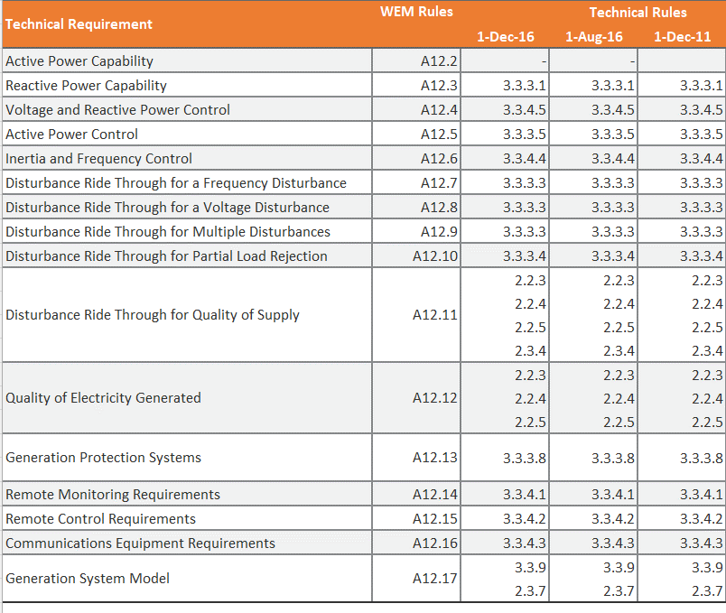
Implementation | Supply | 3.3.2 | Provision of Information (a) A Generator must provide all data reasonably required by the Network Service Provider to assess the impact of a generating unit on the performance and security of the transmission and distribution system. (b) Details of the kinds of data that may be required are included in Attachment 3, Attachment 4, and Attachment 5.
Implementation | Supply | 3.3.3 | Detailed Technical Requirements Requiring Ongoing Verification A Generator must verify compliance of its own equipment with the technical requirements of this clause 3.3.3 by the methods described in clause 4.1.3. 3.3.3.1 Reactive Power Capability 3.3.3.2 Generating Unit Performance Standard 3.3.3.3 Generating Unit Response to Disturbances in the Power System 3.3.3.4 Sudden Reduction in Active Power Requirement 3.3.3.5 Ramping rates 3.3.3.6 Safe Shutdown without External Electricity Supply 3.3.3.7 Restart Following Restoration of External Electricity Supply 3.3.3.8 Protection of Generating Units from Power System Disturbances 3.3.3.9 Generating Unit Transformer 3.3.3.10 De-energisation of Generator Circuits
Implementation | Supply | 3.3.4 | Monitoring and Control Requirements 3.3.4.1 Remote Monitoring 3.3.4.2 Remote control 3.3.4.3 Communications Equipment 3.3.4.4. Frequency Control 3.3.4.5 Voltage Control System
Implementation | Supply | 3.3.5 | Power station Auxiliary Transformers In cases where a power station takes its auxiliary supplies through a transformer by means of a separate connection point, the User must comply with the conditions for connection of loads (refer to clause 3.4) in respect of that connection point. | -
Implementation | Supply | 3.3.6 | Synchronising (a) For a synchronous generating unit the Generator must provide and install manual or automatic synchronising at the generating unit circuit breakers. (b) The Generator must provide check synchronising on all generating unit circuit breakers and any other circuit breakers, unless interlocked (as outlined in clause 3.4), that are capable of connecting the User's generating equipment to the transmission or distribution system. (c) Prior to the initial synchronisation of the generating unit(s) to the transmission or distribution transmission system, the Generator and the Network Service Provider must agree on written operational procedures for synchronisation
Implementation | Supply | 3.3.7 | Secure Electricity Supplies A Generator must provide secure electricity supplies of adequate capacity for the operation of equipment performing metering, communication, monitoring, and protection functions for at least 8 hours after the loss of AC supplies to that equipment.
Implementation | Supply | 3.3.8 | Design Requirements for Generator’s Substations A Generator must comply with the requirements of clause 3.4.8
Implementation | Supply | 3.3.9 | Computer Model (a) A Generator must provide a software model of each generating unit suitable for use in the software package which is used by the Network Service Provider at the time of signing the relevant connection agreement. The model must automatically initialise its parameters from load flow simulations. Once a simulation case has been compiled, changes in the load flow such as changes in voltage, generating unit output, voltage set point must not require the study case to be recompiled. It is the preference of the Network Service Provider that the model be made available to the provider for inclusion in the standard software package library. The source code of the model must also be provided. (b) Generators must demonstrate to the satisfaction of the Network Service Provider that the model adequately represents the performance of the generating unit over its load range and over the system frequency operating range of clause 2.2.1, Table 2.1. The normal method of model verification is through testing. (c) The structure and parameter settings of all components of the turbine and excitation control equipment must be provided to the Network Service Provider in sufficient detail to enable the dynamics of these components to be characterised in the computer model for short and long term simulation studies. This must include a control block diagram in suitable form to perform dynamic simulations and proposed and final parameter settings for the turbine and excitation control systems for all expected modes of turbine control system operation. The final parameter settings must not be varied without prior approval of the Network Service Provider. (d) The applicable structure and parameter settings include: 1. speed/load controller; 2. key protection and control loops; 3. actuators (for example hydraulic valve positioning systems); and 4. limiters. (e) A Generator may connect to the transmission or distribution system without fully complying with the requirements of su
Implementation | Load | 3.4 | REQUIREMENTS FOR CONNECTION OF LOADS
Implementation | Load | 3.4.1 | Obligations of Consumers (a) A Consumer must ensure that all facilities associated with the relevant connection point at all times comply with the applicable requirements and conditions of connection for loads: 1. as set out in this clause 3.4; and 2. in accordance with any relevant connection agreement with the Network Service Provider. (b) A Consumer must operate its facilities and equipment in accordance with any and all directions given by System Management or the Network Service Provider under these Rules or under any written law.
Implementation | Load | 3.4.2 | Overview (a) This clause 3.4 applies to the connection of equipment and facilities of Consumers to the transmission and distribution systems. (b) The requirements set out in this clause 3.4 generally apply to the connection of a large load to the transmission or distribution network. The specific requirements for the connection of a particular Consumer’s equipment and facilities must be determined by the Network Service Provider and will depend on the magnitude and other characteristics of the Consumer's load, the power transfer capacity, voltage and location of the connection point, and characteristics of the local transmission or distribution system in the vicinity of the connection point. (c) A Consumer must provide equipment capabilities, protection and control systems that ensure that its load: 1. does not cause excessive load fluctuations, reactive power draw or, where applicable, stalling of motor loads that would have an adverse impact on other Users, System Management, the Network Service Provider or the performance of the power system. 2. does not cause any reduction of inter-regional or intra-regional power transfer capability based on: frequency stability, or voltage stability, by more than its loading level whenever connected relative to the level that would apply if the Consumer were disconnected.
Implementation | Load | 3.4.3 | Power Frequency Variations A Consumer must ensure that the equipment connected to its connection point is capable of continuous uninterrupted operation (other than when the facility is faulted) if variations in supply frequency of the kind described in clause 2.2.1(c) occur.
Implementation | Load | 3.4.4 | Power Frequency Voltage Variations A Consumer must ensure that the equipment connected to its connection point is capable of continuous uninterrupted operation (other than when the facility is faulted) if variations in supply voltage of the kind described in clause 2.2.2 occur.
Implementation | Load | 3.4.5 | Provision of Information (a) Before connection to the transmission or distribution system, a Consumer must provide all data relevant to each connection point that is required by the Network Service Provider in order to complete the detailed design and installation of the relevant connection assets, to ensure that there is sufficient power transfer capability in the transmission and distribution systems to supply the Consumer's load and that connection of the Consumer’s load will not have an adverse impact on other Users, or on the performance of the power system. (b) The specific data that must be provided by a Consumer in respect of a particular connection point will depend on characteristics of the Consumer's loads, the power transfer capacity of the connection point as specified in the relevant connection agreement, the voltage and location of the connection point, and characteristics of the local transmission or distribution system in the vicinity of the connection point. Equipment data that may need to be provided includes: 1. interface protection details including, line diagram, grading information, secondary injection and trip test certificate on all circuit breakers; 2. metering system design details for equipment being provided by the Consumer; 3. a general arrangement locating all the major loads on the site; 4. a general arrangement showing all exits and the position of all electrical equipment in substations that are directly connected to the connection point; 5.type test certificates for new switchgear and transformers, including measurement transformers to be used for metering purposes; 6. the proposed methods of earthing cables and other equipment plus a single line earthing diagram; 7. equipment and earth grid test certificates from approved test authorities; 8. operational procedures; 9. details of time-varying, non-sinusoidal and potentially disturbing loads; 10. SCADA arrangements; 11. load details including maximum demand profiles; 12. a line dia
Implementation | Load | 3.4.6 | Design Standards (a) The equipment connected to a Consumer’s connection point must comply with the relevant Australian Standards as applicable at the time of first installation of the equipment, the Electricity (Network Safety) Regulations 2015, good electricity industry practice and these Rules and it must be capable of withstanding the power frequency voltages and impulse levels specified by the Network Service Provider. (b) The circuit breakers, fuses and other equipment provided to isolate a Consumer’s facilities from the transmission and distribution system in the event of a fault must be capable of breaking, without damage or restrike, the fault currents specified by the Network Service Provider for the relevant connection point. (c) The equipment ratings connected to a Consum
...

ENAC-AA5
...
Aspect | Component | Documents | Page /Reference | Content
Infrastrcure Planning and Operation | Transmission and Distribution | ENAC | 6.29 | A “service standards adjustment mechanism” is a mechanism in an access arrangement detailing how the service provider’s performance during the access arrangement period against the service standard benchmarks is to be treated by the Authority at the next access arrangement review.
 |  |  | 6.3 | An access arrangement must contain a service standards adjustment mechanism.
 |  |  | 6.31 | A service standards adjustment mechanism must be:
 |  |  | (a) | sufficiently detailed and complete to enable the Authority to apply the service standards adjustment mechanism at the next access arrangement review; and
 |  |  | (b) | consistent with the Code objective.
 |  |  | 6.32 | A service standards adjustment mechanism in an access arrangement applies at the next access arrangement review.

 |  | AA5: Attachment 9: Service Standard Benchmarks and Adjustment Mechansims
 |  |  |  | AA5 applies a finanicla impact of not meeting the reliability standards below. The finanical impact is in AA6. The way in which these standards are applied to create finanical impacts is detailed in the AA5 Attachment 9, figures based on the 97.5th percentile.
 |  |  |  | Rural long target set to 290 minutes by ERA final decision
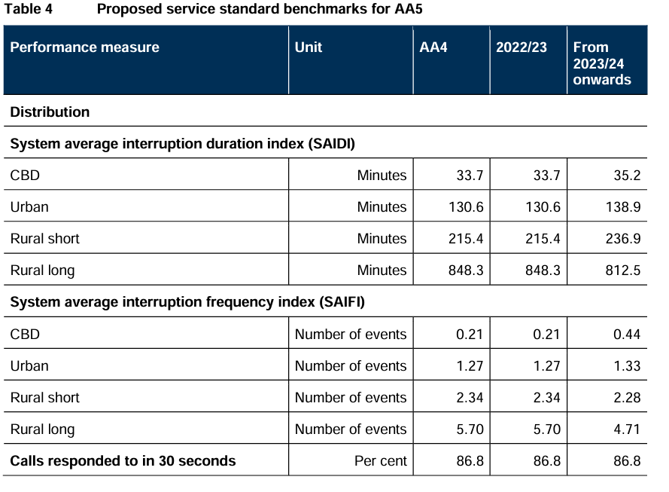

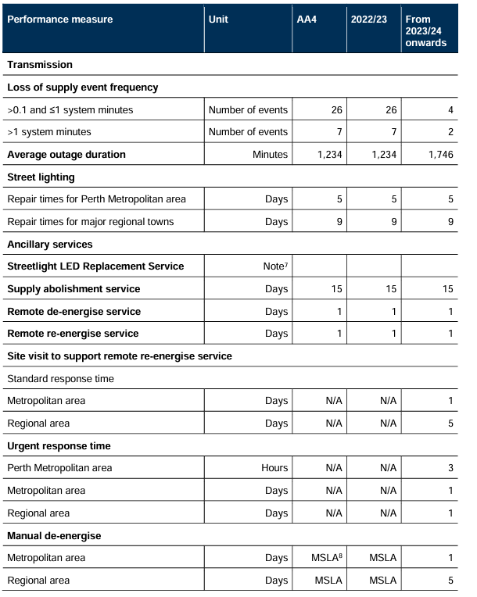

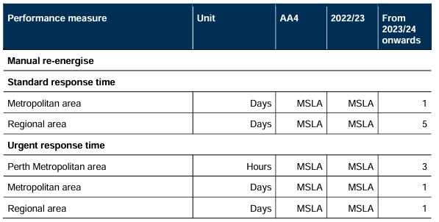

 |  |  |  | *MSLA is the Model Service Level Agreement in the Metering Code

