Figure 1
Figure 1
GENERAL GOVERNMENT REVENUE
Change - Six Months to 31 December 2023
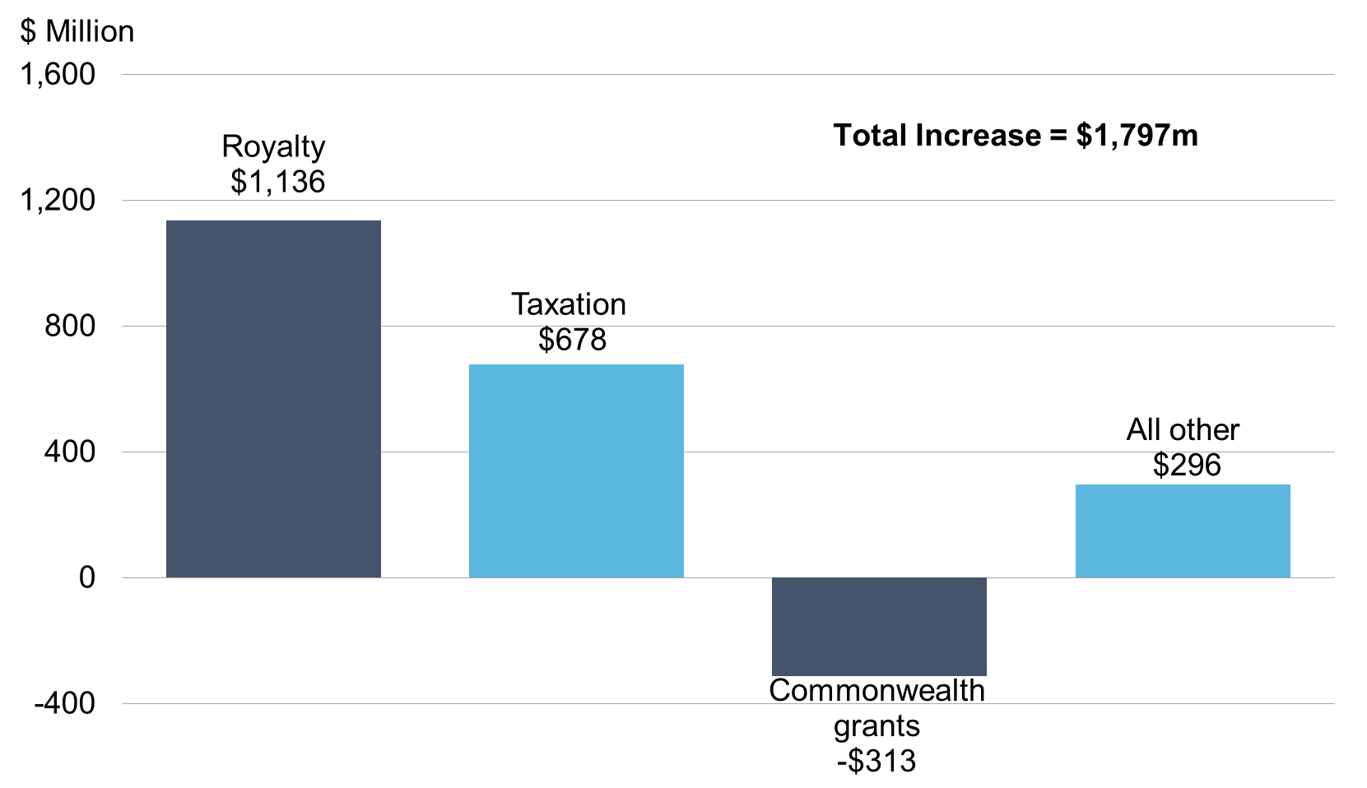

 |  | Change
 |  | $m
 | Royalty Income | 1,136
 | Taxation | 678
 | Commonwealth grants | -313
 | All other | 296

Figure 2
Figure 2
IRON ORE PRICE
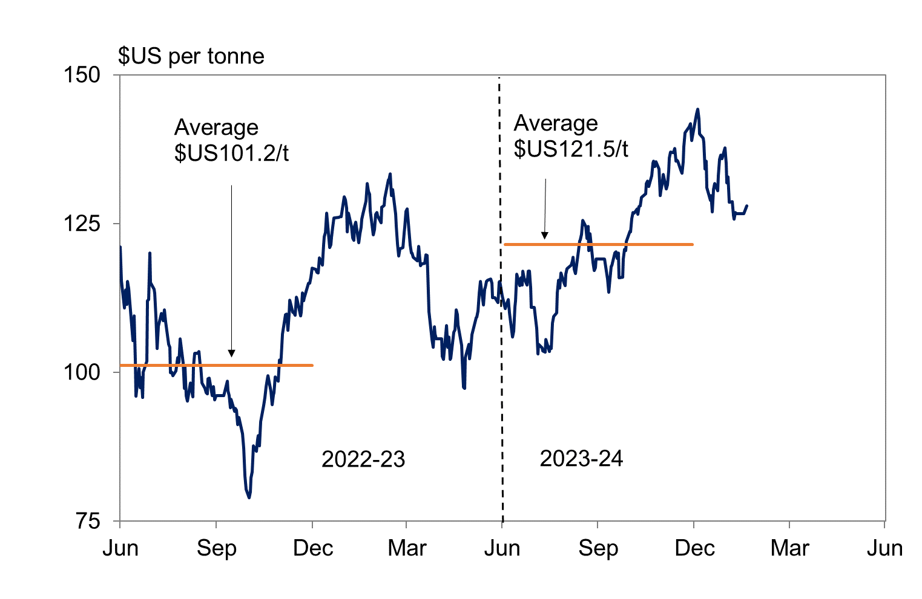

 |  | $US per tonne
 | six months average to 31 December 2023 | 121.5
 | six months average to 31 December 2022 | 101.2

Figure 3
Figure 3
GENERAL GOVERNMENT REVENUE
Six Months to 31 December 2023
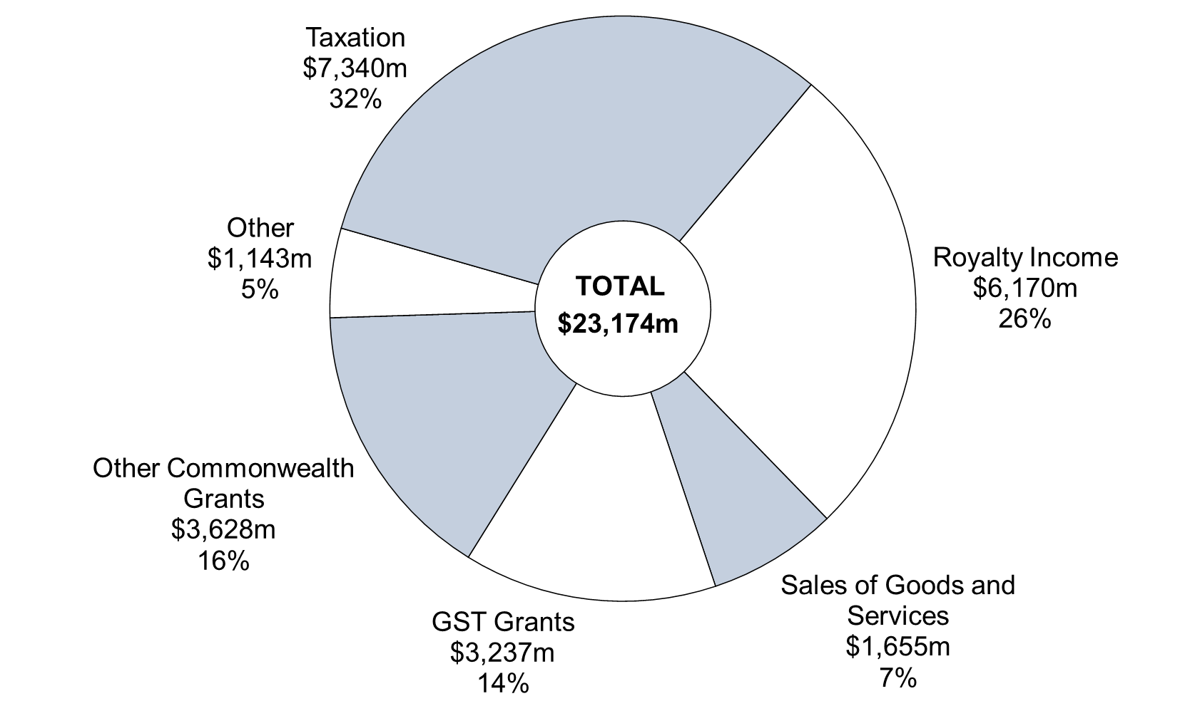

Note: Segments may not add due to rounding.
 | December
 | 2023-24 | %
Royalty Income | 6,170 | 26
Sales of Goods and Services | 1,655 | 7
GST Grants | 3,237 | 14
Other Commonwealth Grants | 3,628 | 16
Other | 1,143 | 5
Taxation | 7,340 | 32
Total | 23,174 | 100

Figure 4
Figure 4
GENERAL GOVERNMENT EXPENSES
Six Months to 31 December 2023
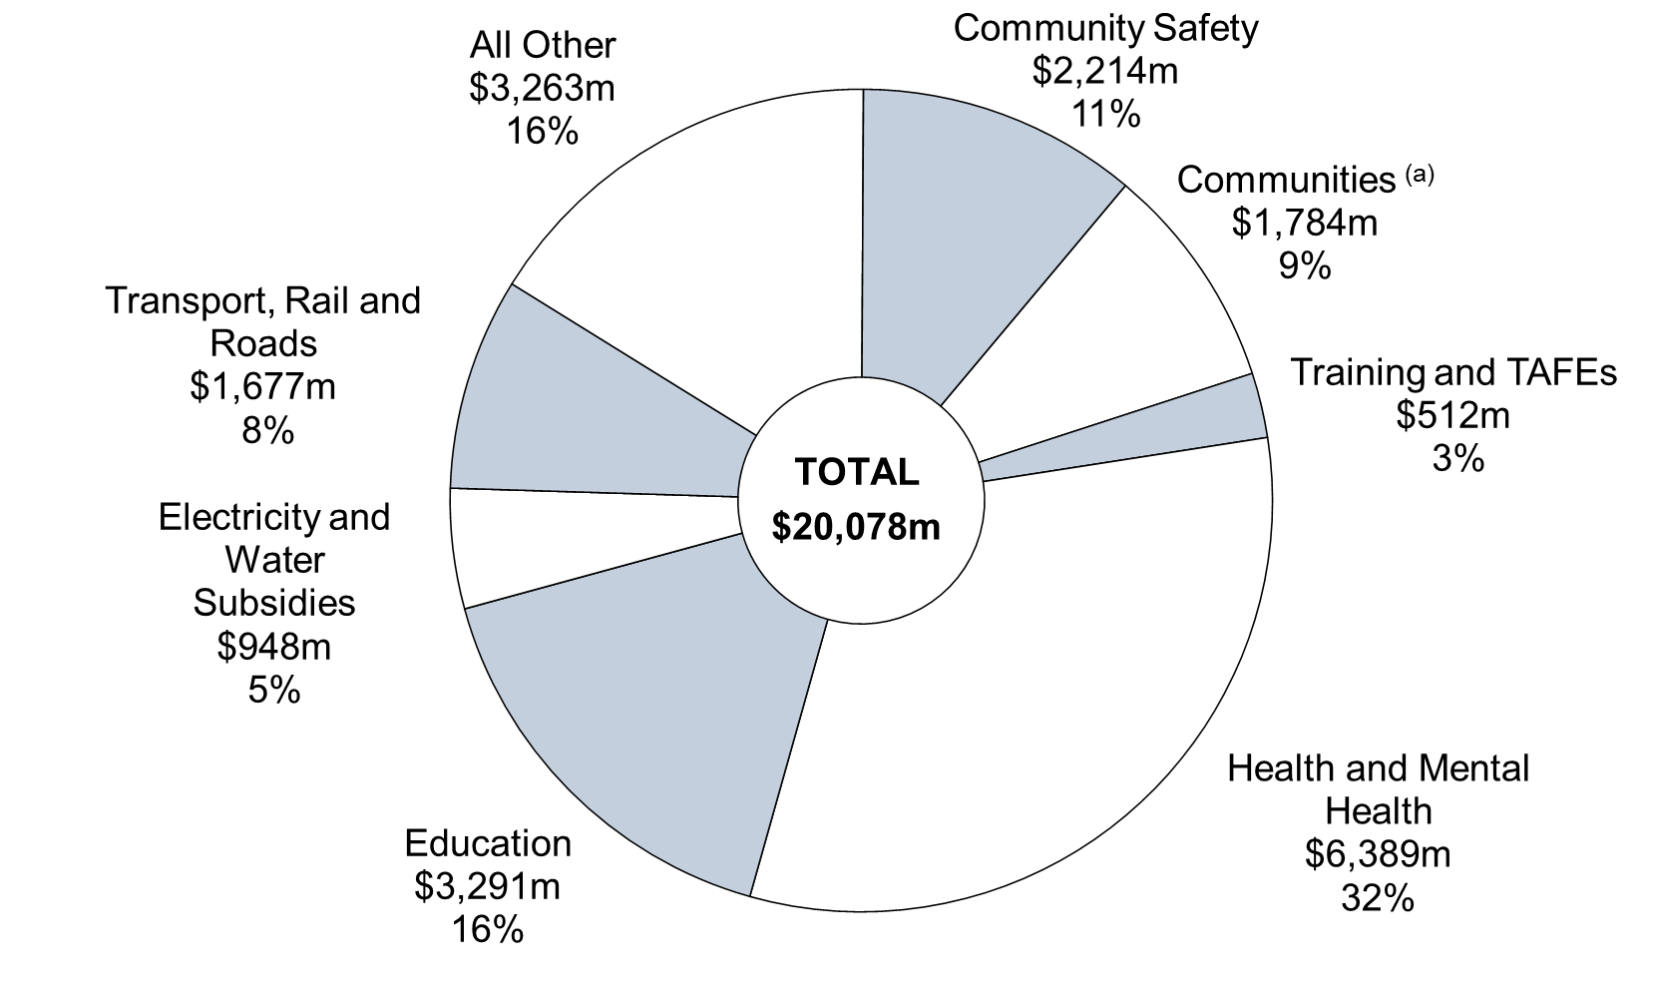

(a) The $1.8 billion for Communities in this chart represents the general government portion of the Department's recurrent spending (with some expenditure from the former Housing Authority remaining within the public non-financial corporations sector for the purpose of whole-of-government reporting).
Note: Segments may not add due to rounding.

 | December
 | 2023-24 | %
Health and Mental Health | 6,389 | 32
Education | 3,291 | 16
Community Safety | 2,214 | 11
Communities | 1,784 | 9
Transport, Rail and Roads | 1,677 | 8
Electricity and Water Subsidies | 948 | 5
Training and TAFEs | 512 | 3
All Other | 3,263 | 16
Total | 20,078 | 100

Figure 5
Figure 5
ASSET INVESTMENT PROGRAM
Six Months to 31 December 2023
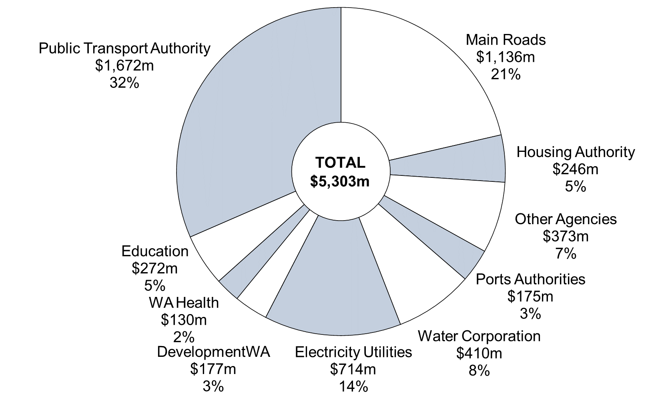

Note: Segments may not add due to rounding.

 | December | %
Main Roads | 1,136 | 21
Housing Authority | 246 | 5
Other Agencies | 373 | 7
Ports Authorities | 175 | 3
Water Corporation | 410 | 8
Electricity Utilities | 714 | 14
DevelopmentWA | 177 | 3
WA Health | 130 | 2
Education | 272 | 5
Public Transport Authority | 1,672 | 32
Total | 5,303 | 100

