Figure 1
Figure 1
 | GENERAL GOVERNMENT REVENUE
 | Change - Three Months to September 2021
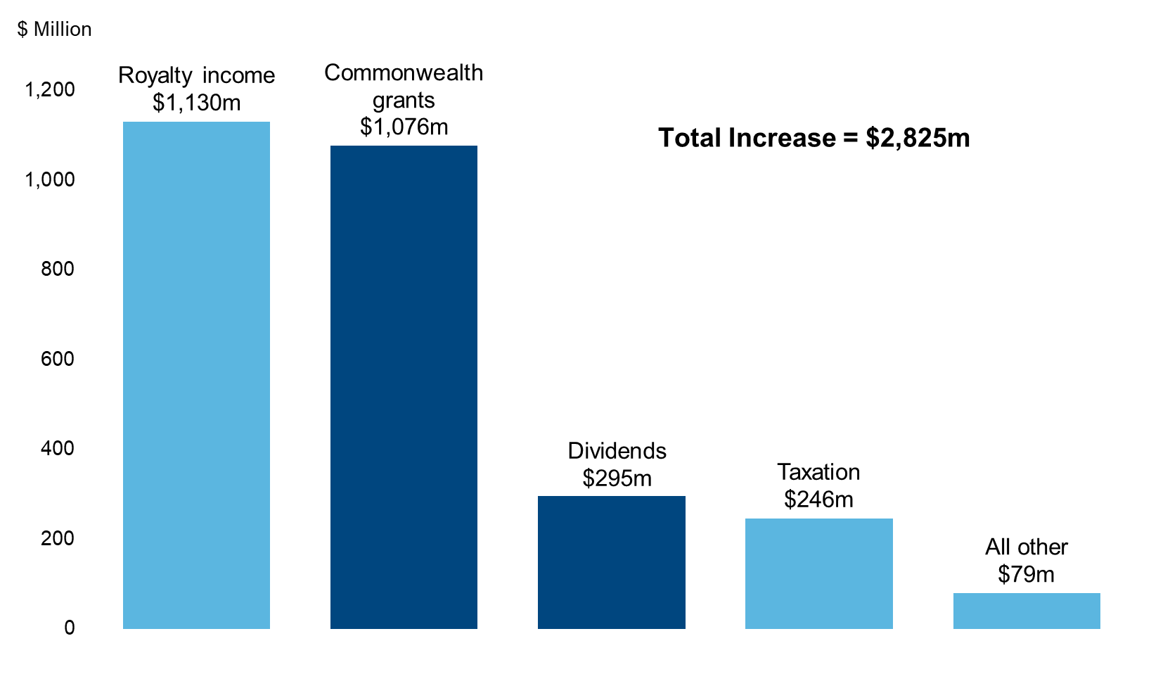

 |  | Change
 | Royalty income | 1,130
 | Commonwealth grants | 1,076
 | Dividends | 295
 | Taxation | 246
 | All other | 79

Figure 2
Figure 2
 | IRON ORE PRICE
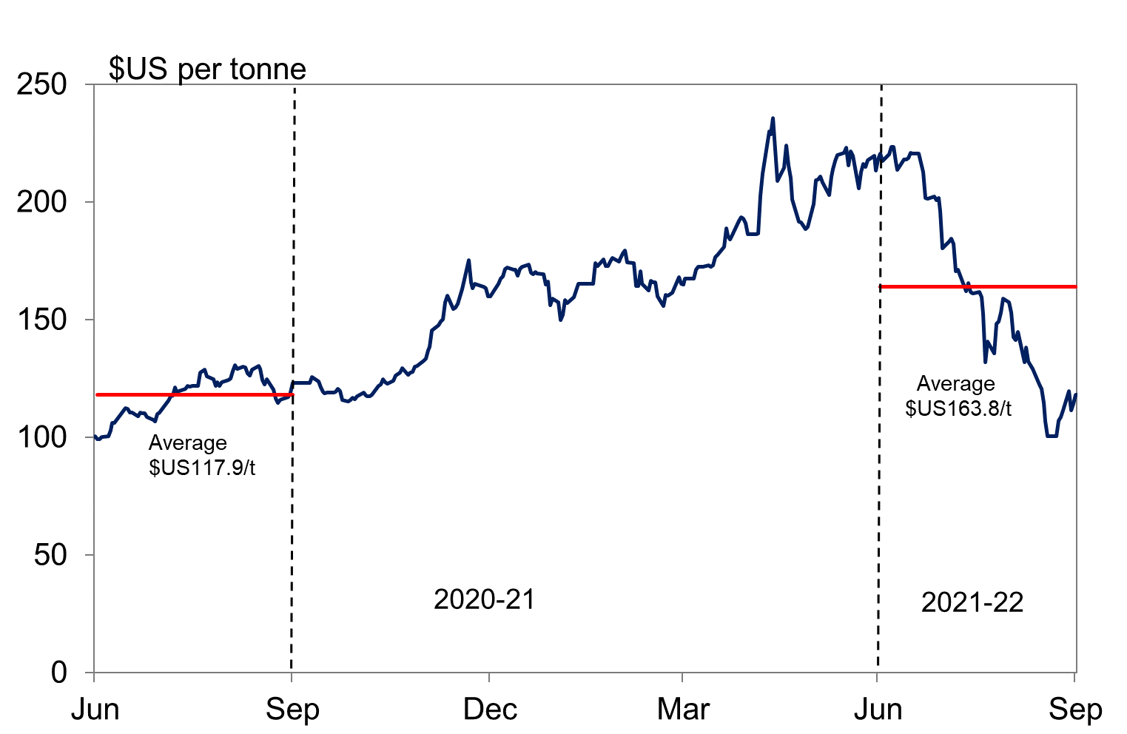

 |  | $US per tonne
 | 3 months average to 30 September 2021 | $163.8
 | 3 months average to 30 September 2020 | $117.9

Figure 3
Figure 3
 | GENERAL GOVERNMENT REVENUE (a)
 | Three Months to September 2021
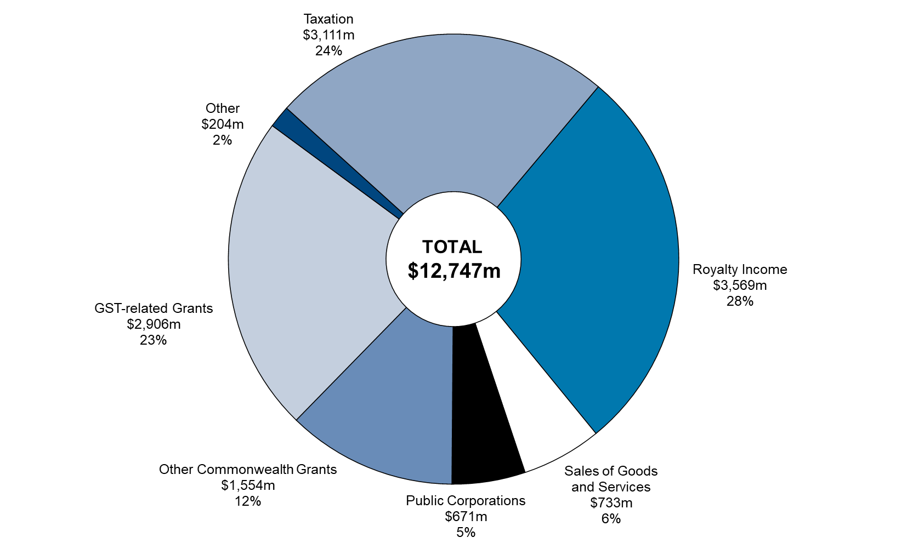

(a) Segments may not add due to rounding

 |  | September
 |  | 2021-22
 | Royalty Income | 3,569
 | Sales of Goods and Services | 733
 | Public Corporations | 671
 | Other Commonwealth Grants | 1,554
 | GST-related Grants | 2,906
 | Other | 204
 | Taxation | 3,111
 | Total | 12,747

Figure 4
Figure 4
 | GENERAL GOVERNMENT EXPENSES (a)
 | Three Months to September 2021

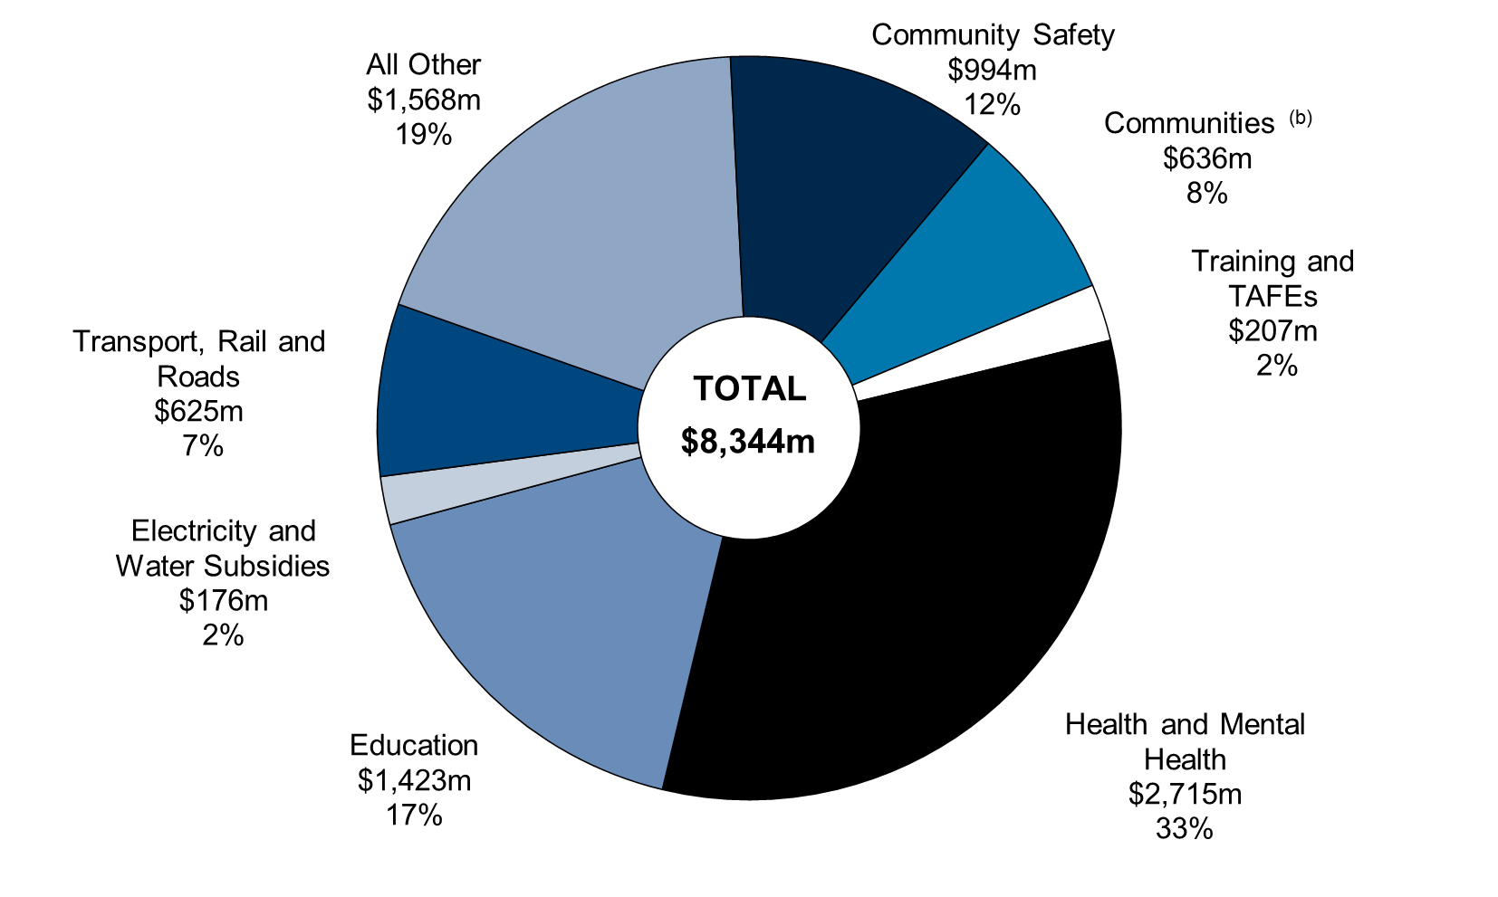

(a) Segments may not add due to rounding
(b) The $636 million in this chart represent the general government portion of the Department’s recurrent spending (with some expenditure from the former Housing Authority remaining within the public non financial corporations sector for the purpose of whole of government reporting).

 |  | September
 | Group | 2021-22
 | Communities | 636
 | Training and TAFEs | 207
 | Health and Mental Health | 2,715
 | Education | 1,423
 | Electricity and Water Subsidies | 176
 | Transport, Rail and Roads | 625
 | All Other | 1,568
 | Community Safety | 994

Figure 5
Figure 5
 | ASSET INVESTMENT PROGRAM (a)
 | Three Months to September 2021
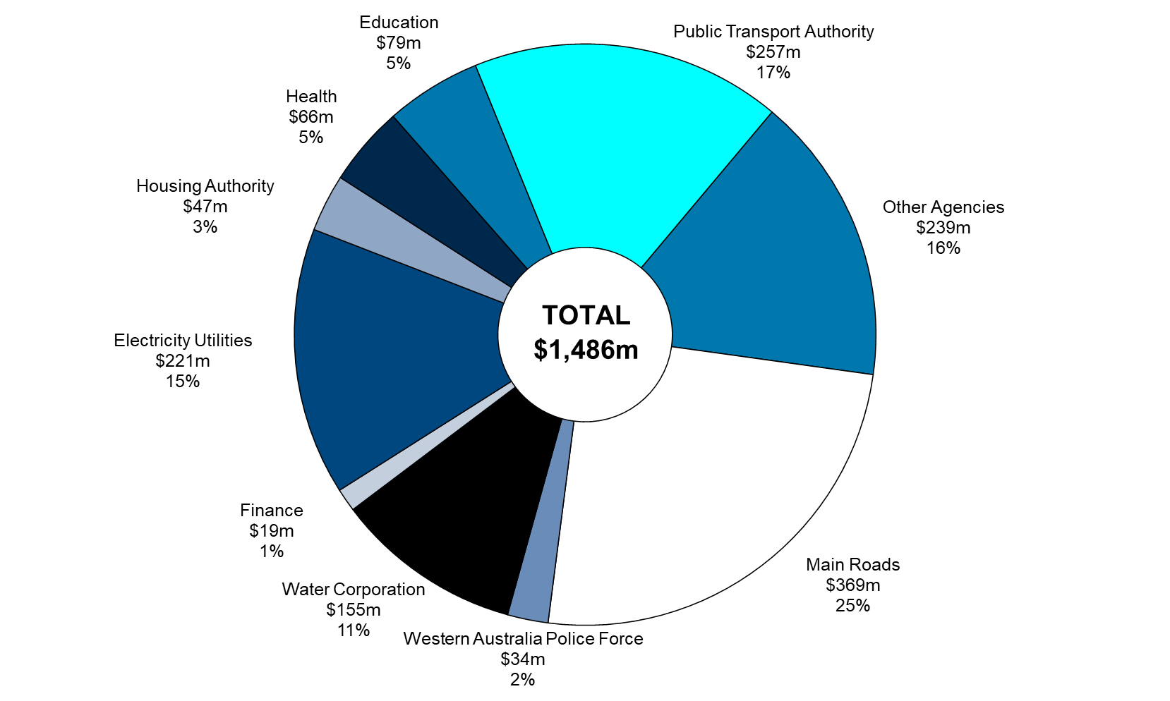

(a) Segments may not add due to rounding.

 |  | September
 |  | 2021-22
 | Other Agencies | 239
 | Main Roads | 369
 | Western Australia Police Force | 34
 | Water Corporation | 155
 | Finance | 19
 | Electricity Utilities | 221
 | Housing Authority | 47
 | Health | 66
 | Education | 79
 | Public Transport Authority | 257

