Figure 1
Figure 1
 | GENERAL GOVERNMENT REVENUE
 | Change - Nine Months to March 2021
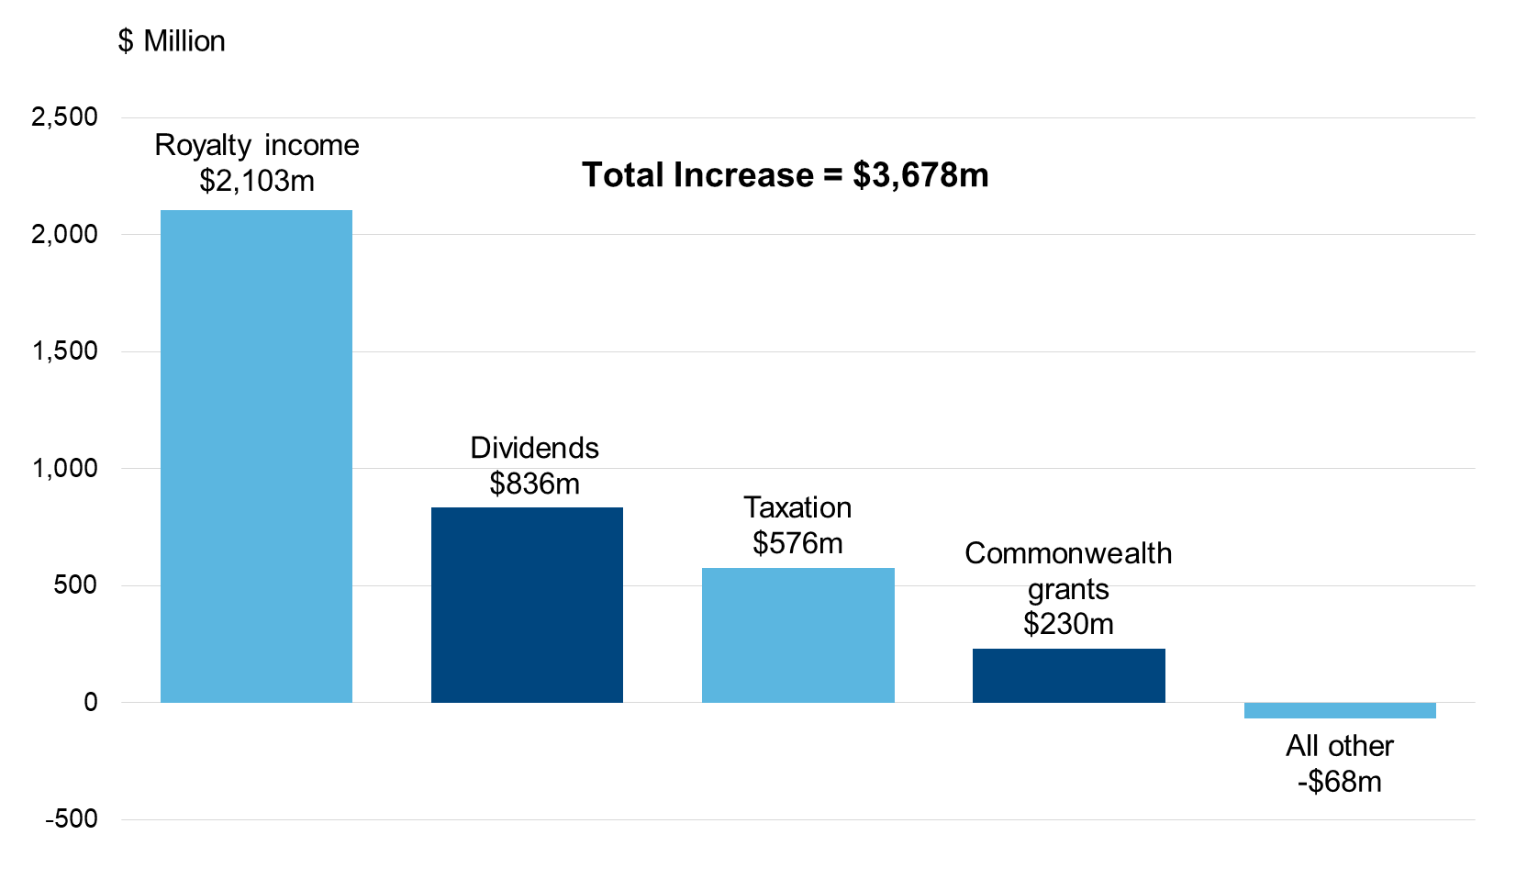

 | Chart Data | Change
 | Royalty income | $2,103m
 | Dividends | $836m
 | Taxation | $576m
 | Commonwealth grants | $230m
 | All other | -$68m
 | Total | $3,678m

Figure 2
Figure 2

 | IRON ORE PRICE
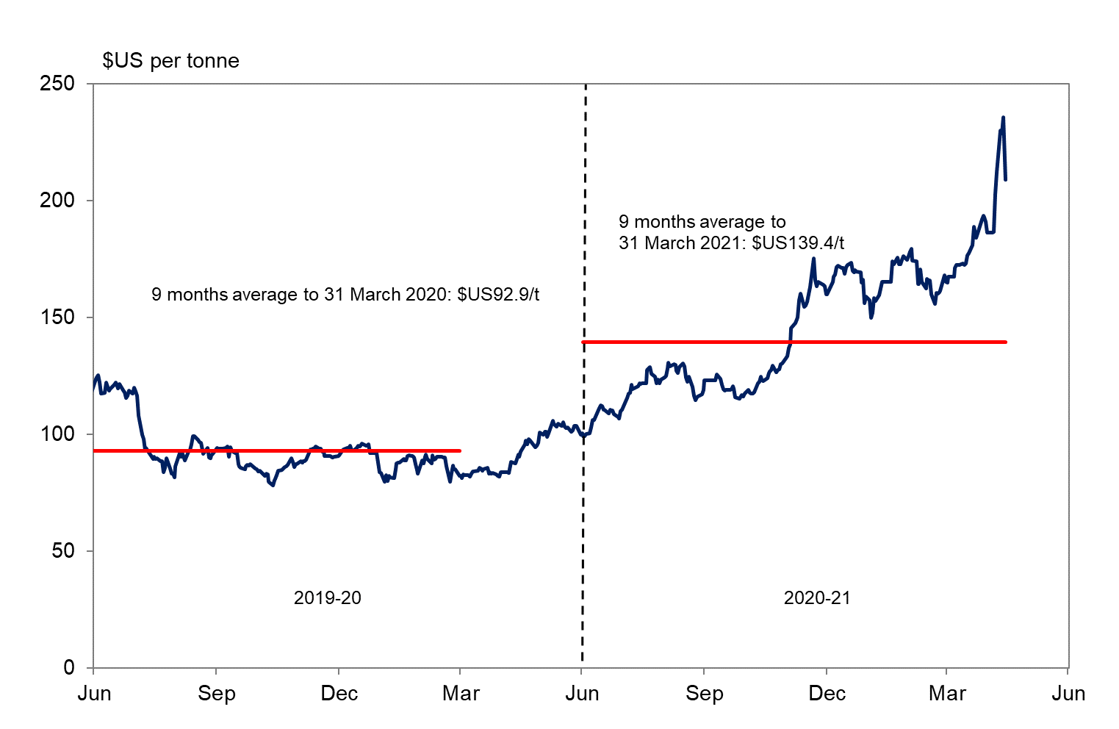

 |  | 9 months average to 31 March 2021 | $US139.4/t
 |  | 9 months average to 31 March 2020 | $US92.9/t

Figure 3
Figure 3

 | GENERAL GOVERNMENT REVENUE (a)
 | Nine months to 31 March 2021

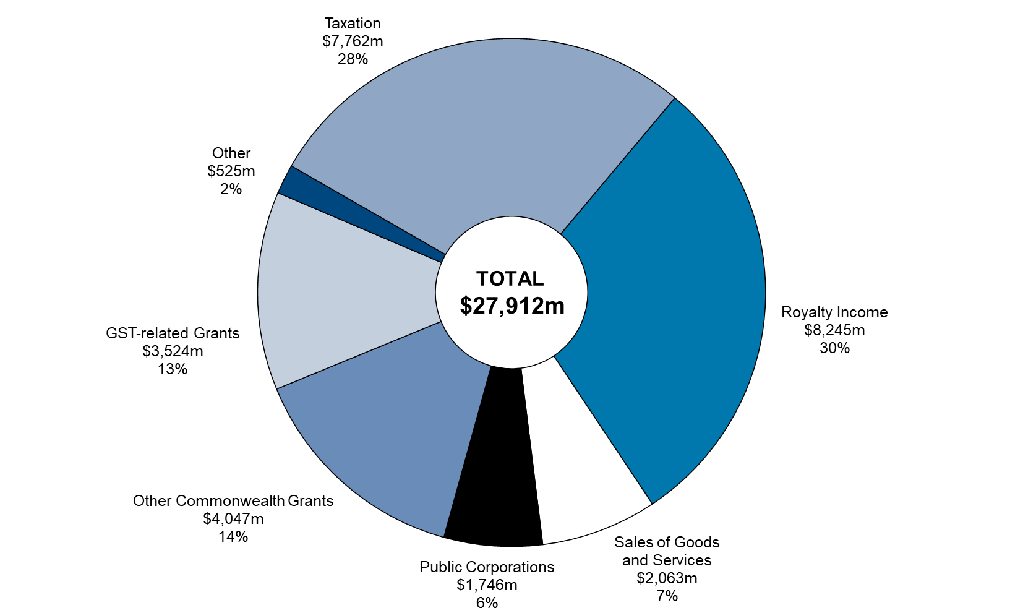

(a) Segments may not add due to rounding.

 |  | March
 |  | 2020-21 | Share (%)
 | Royalty Income | $8,245m | 30
 | Sales of Goods and Services | $2,063m | 7
 | Public Corporations | $1,746m | 6
 | Other Commonwealth Grants | $4,047m | 14
 | GST-related Grants | $3,524m | 13
 | Other | $525m | 2
 | Taxation | $7,762m | 28
 | Total | $27,912m | 100

Figure 4
Figure 4
 | GENERAL GOVERNMENT EXPENSES
 | Change - Nine Months to 31 March 2021

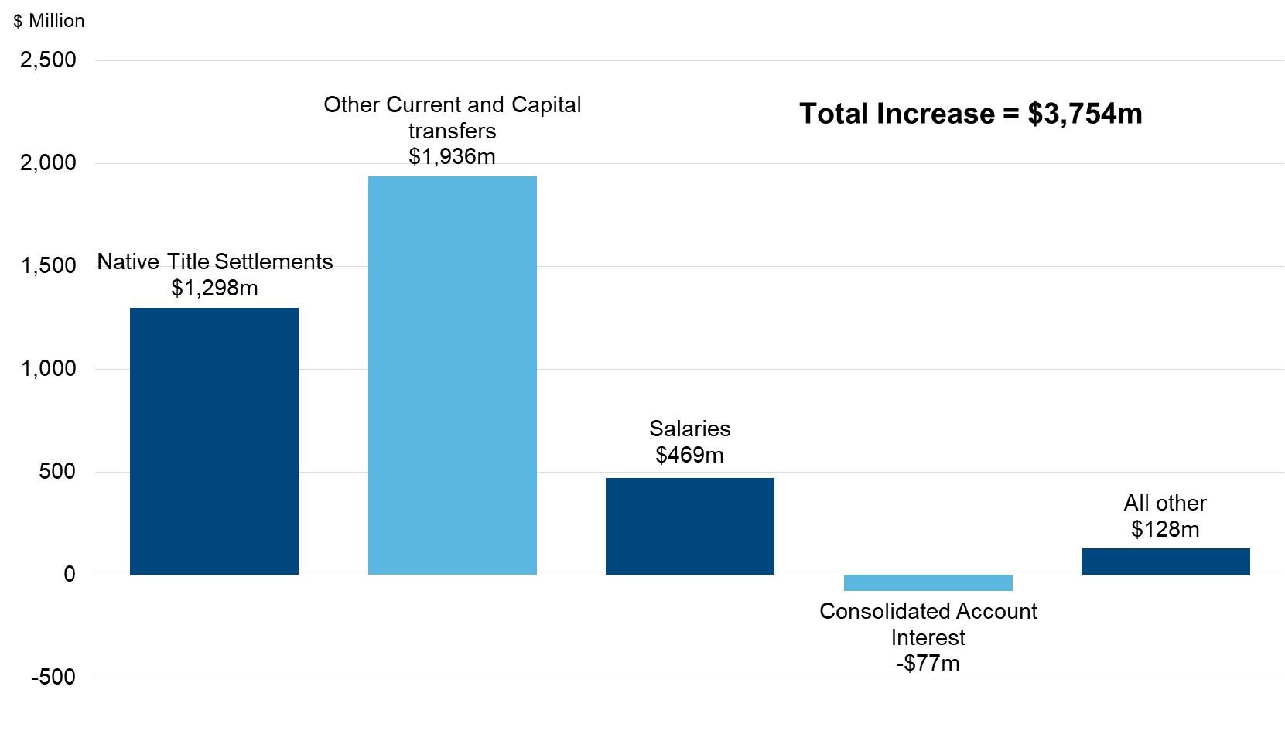

 | Chart Data | Change
 | Native Title Settlements | $1,298m
 | Other Current and Capital transfers | $1,936m
 | Salaries | $469m
 | Consolidated Account Interest | -$77m
 | All other | $128m

Figure 6
Figure 6

ASSET INVESTMENT PROGRAM (a)
Nine months to 31 March 2021
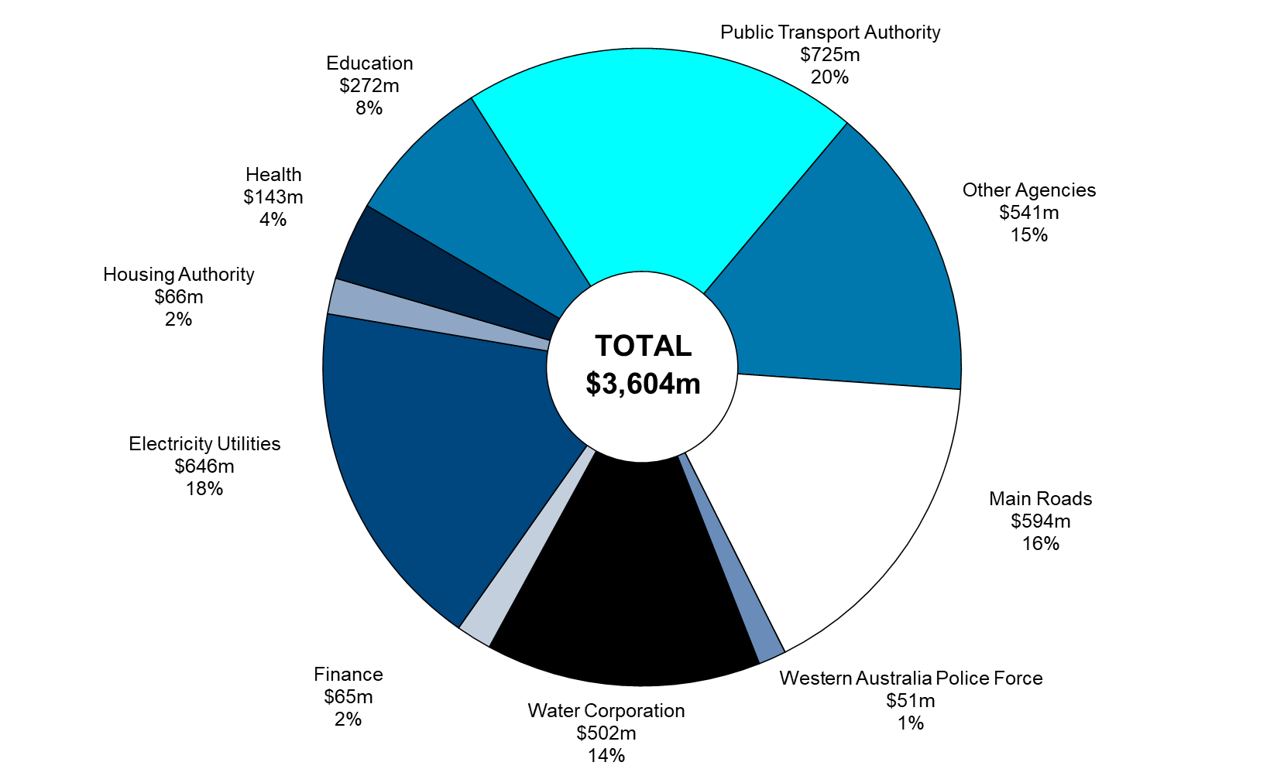

(a) Segments may not add due to rounding.

Chart Data | Mar-21 | %
Other Agencies | $541m | 15%
Main Roads | $594m | 16%
Western Australia Police Force | $51m | 1%
Water Corporation | $502m | 14%
Finance | $65m | 2%
Electricity Utilities | $646m | 18%
Housing Authority | $66m | 2%
Health | $143m | 4%
Education | $272m | 8%
Public Transport Authority | $725m | 20%
Total | $3,604m | 100%

