Figure 1
Figure 1
 | GENERAL GOVERNMENT REVENUE

Growth, Nine months to March |  |  |  | Change, Nine months to March
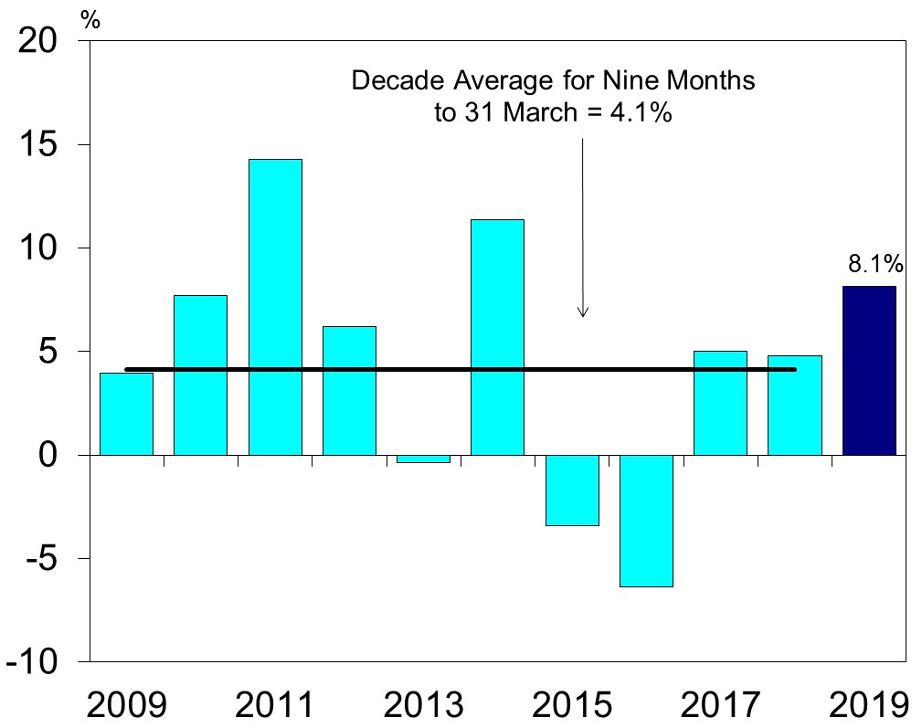
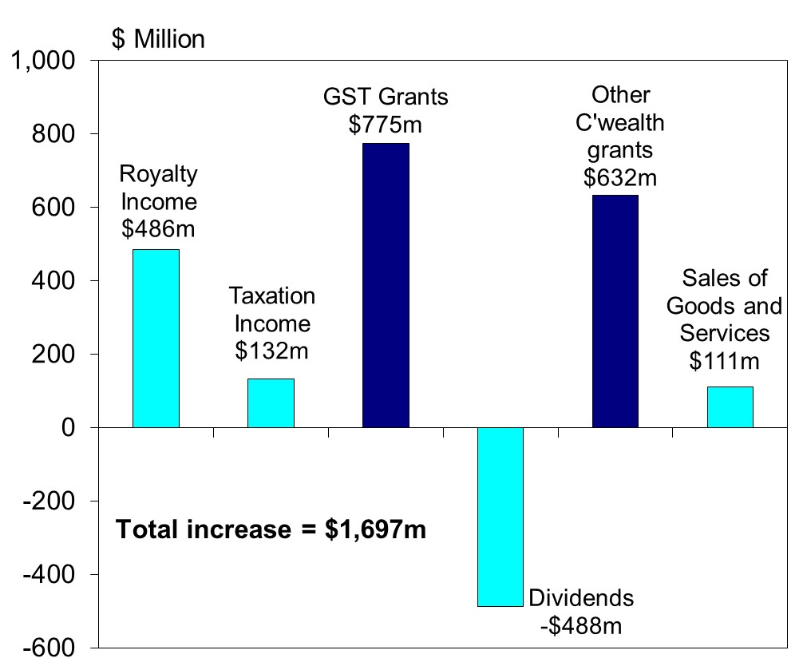

 | Chart Data |  |  | Chart Data | Change
 | Financial Year | Rev growth | Decade average | Royalty Income | $486m
 |  |  | 4.1 | Taxation Income | $132m
 | 2009 | 3.9 |  | GST grants | $775m
 | 2010 | 7.7 |  | Dividends | -$488m
 | 2011 | 14.3 |  | Other C'wealth grants | $632m
 | 2012 | 6.2 |  | Sales of Goods and Services | $111m
 | 2013 | -0.4 |  | All other | $49m
 | 2014 | 11.4 |  | Total | $1,697m
 | 2015 | -3.4
 | 2016 | -6.4
 | 2017 | 5.0
 | 2018 | 4.8
 | 2019 | 8.1

Figure 2
Figure 2

 | IRON ORE PRICE
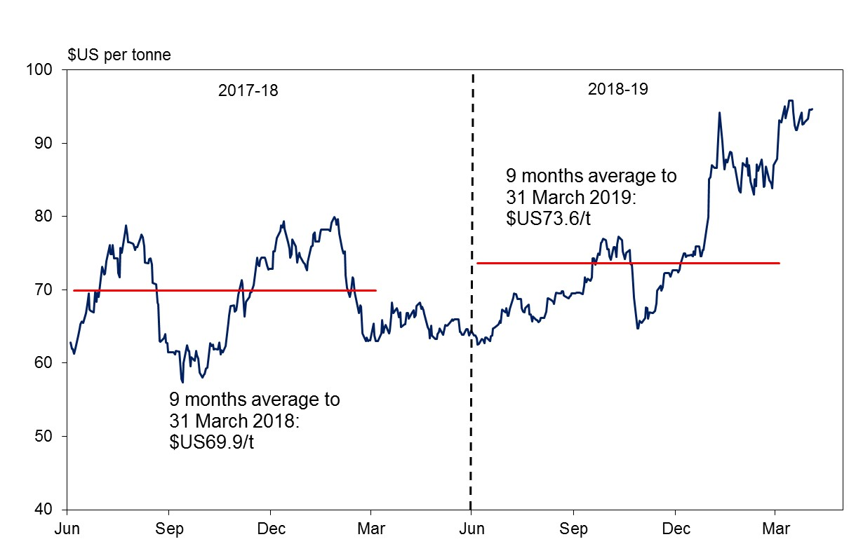

 |  | $US per tonne
 | 9 months average to 31 March 2019 | $73.6
 | 9 months average to 31 March 2018 | $69.9

Figure 3
Figure 3

GENERAL GOVERNMENT REVENUE (a)
Nine months to 31 March 2019
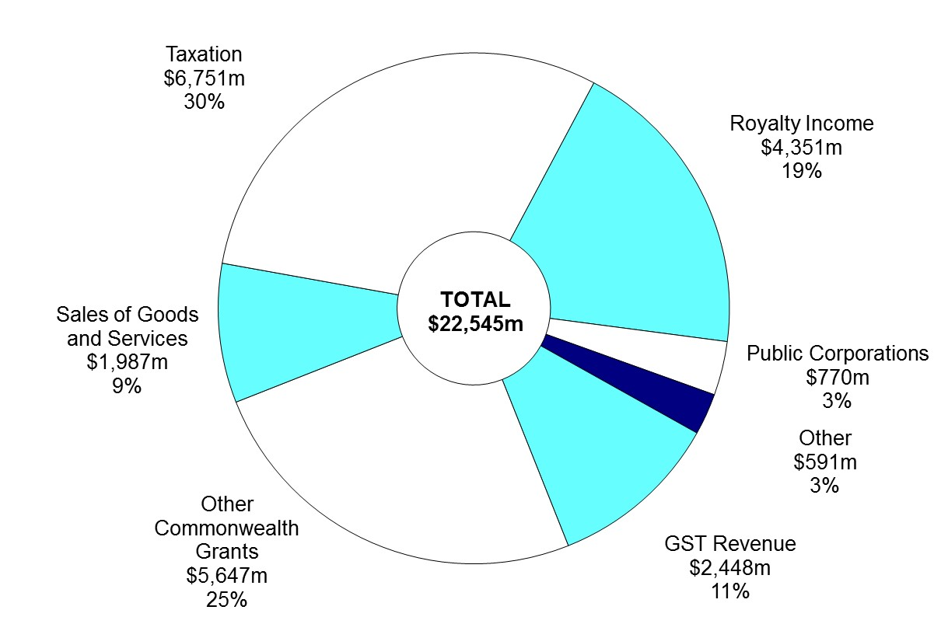

(a) Segments may not add due to rounding.

Chart Data | Mar-19 | %

Royalty Income | $4,351m | 19%
Public Corporations | $770m | 3%
Other | $591m | 3%
GST Revenue | $2,448m | 11%
Other Commonwealth Grants | $5,647m | 25%
Sales of Goods and Services | $1,987m | 9%
Taxation | $6,751m | 30%
Total | $22,545m | 100%

Figure 4
Figure 4

 |  | GENERAL GOVERNMENT EXPENSES

Growth, Nine months to March |  |  | Growth, Nine months to March
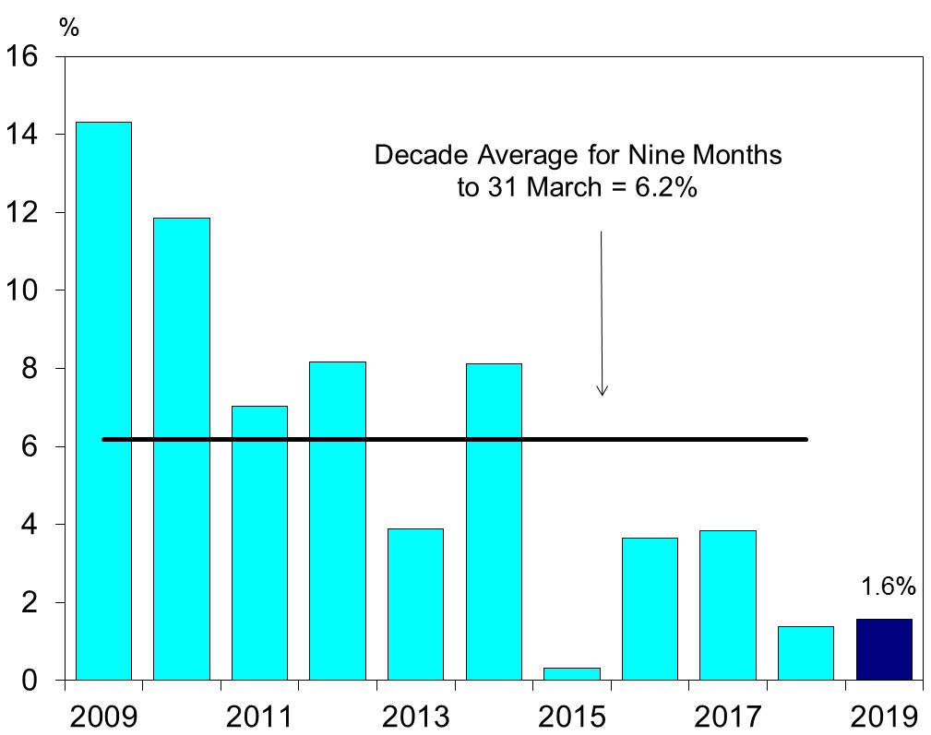
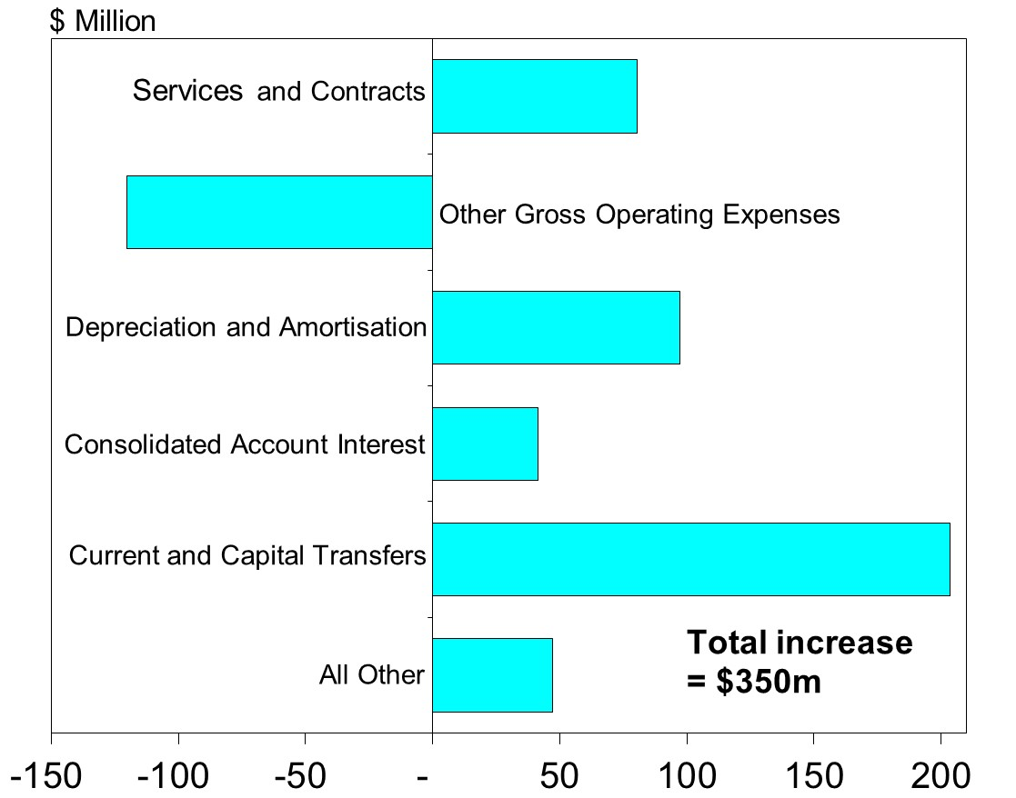

Chart Data |  |  | Chart Data | Change
Financial Year | Expense growth | Decade average | All other | $47m
 |  | 6.2 | Current and Capital Transfers | $204m
2009 | 14.3 |  | Consolidated Account Interest | $41m
2010 | 11.8 |  | Depreciation and amortisation | $97m
2011 | 7.0 |  | Other gross operating expenses | -$120m
2012 | 8.2 |  | Services and Contracts | $81m
2013 | 3.9 |  |  | $350m
2014 | 8.1
2015 | 0.3
2016 | 3.7
2017 | 3.8
2018 | 1.4
2019 | 1.6

Figure 5
Figure 5
GENERAL GOVERNMENT EXPENSES(a)
Nine months to 31 March 2019

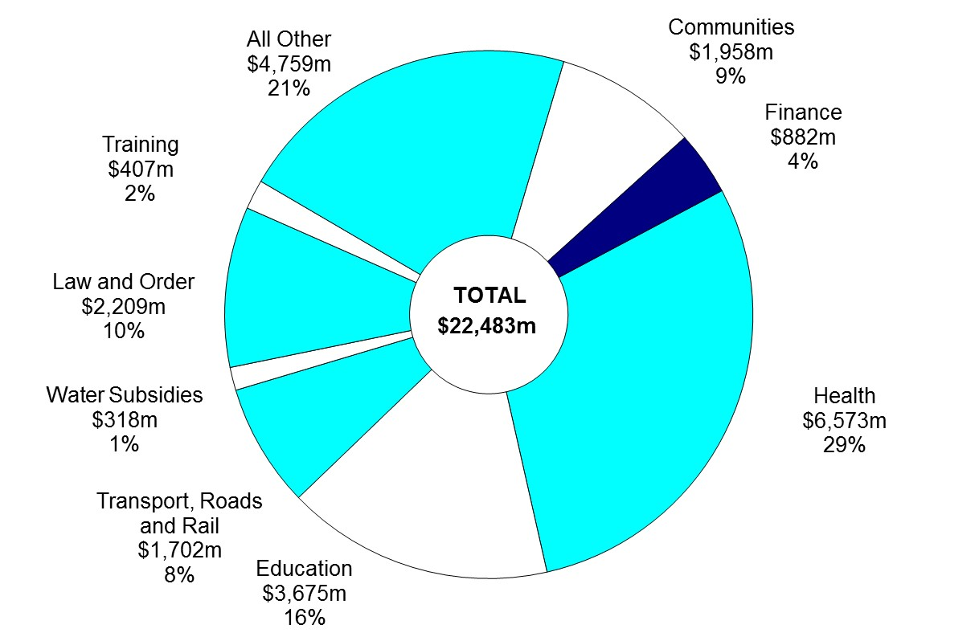

(a) Segments may not add due to rounding.

Chart Data | Mar-19 | %
Health | $6,573m | 29
Education | $3,675m | 16
Transport, Rail and Roads | $1,702m | 8
Water Subsidies | $318m | 1
Law and Order | $2,209m | 10
Training | $407m | 2
All Other | $4,759m | 21
Communities | $1,958m | 9
Finance | $882m | 4
Total | $22,483m | 100

Figure 6
Figure 6

ASSET INVESTMENT PROGRAM(a)
Nine months to 31 March 2019
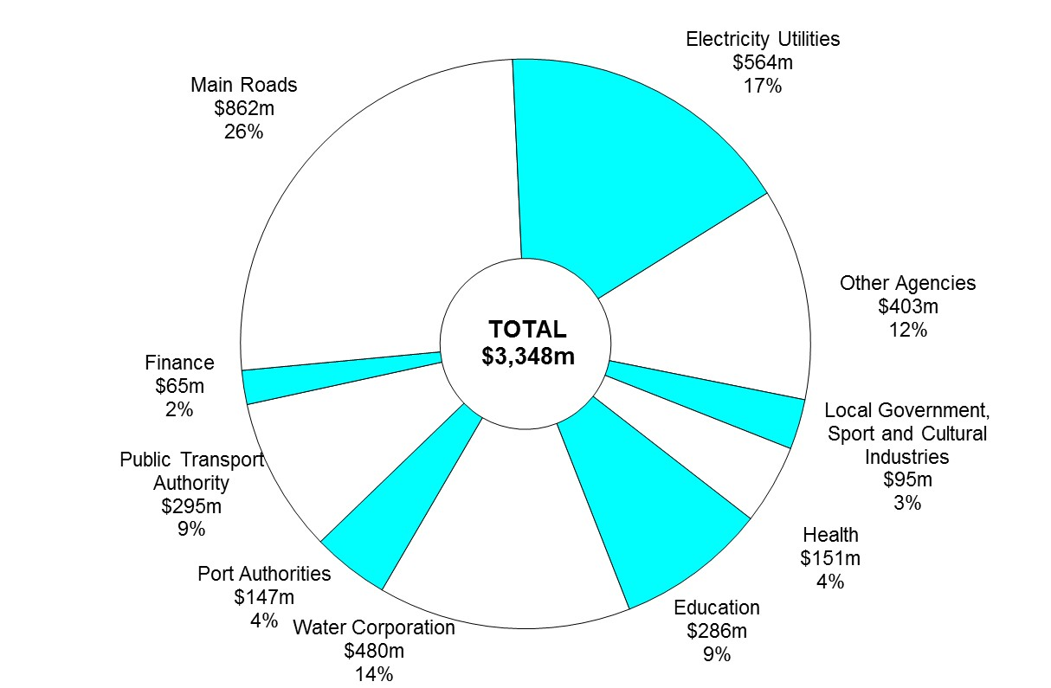

(a) Segments may not add due to rounding.

Chart Data | Mar-19 | %

Other Agencies | $403m | 12%
Local Government, Sport and Cultural Industries | $95m | 3%
Health | $151m | 4%
Education | $286m | 9%
Water Corporation | $480m | 14%
Port Authorities | $147m | 4%
Public Transport Authority | $295m | 9%
Finance | $65m | 2%
Main Roads | $862m | 26%
Electricity Utilities | $564m | 17%
Total | $3,348m | 100%

