Figure 6
Figure 6

GENERAL GOVERNMENT EXPENSES(a)
Nine months to 31 March 2018

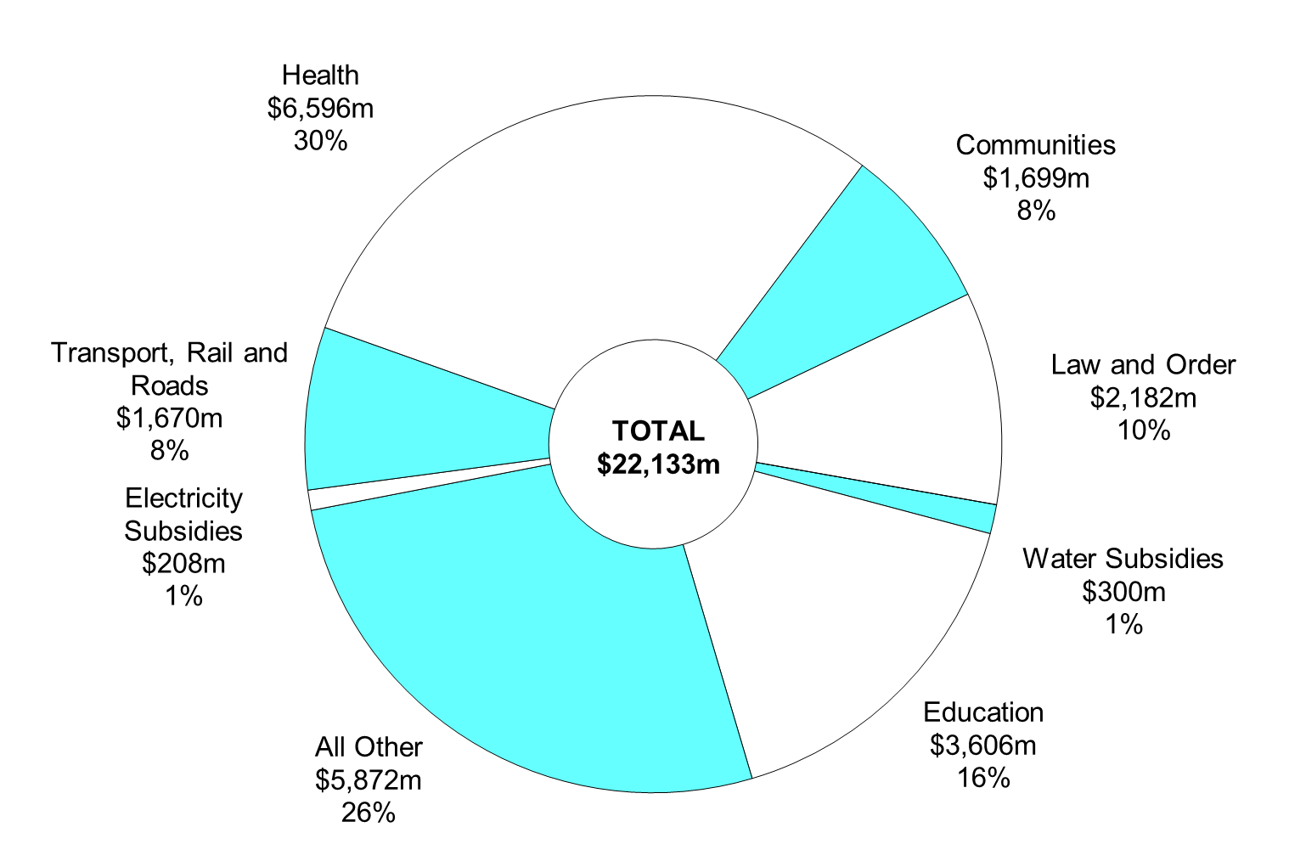

(a) Segments may not add due to rounding.

Chart Data | Mar-18 | %
Water Subsidies | $300m | 1
Education | $3,606m | 16
All Other | $5,872m | 26
Electricity Subsidies | $208m | 1
Transport, Rail and Roads | $1,670m | 8
Health | $6,596m | 30
Communities | $1,699m | 8
Law and Order | $2,182m | 10
Total | $22,133m | 100

