Figure 1
Figure 1

 | GENERAL GOVERNMENT REVENUE

Growth, Six months to December |  |  |  | Change, Six months to December

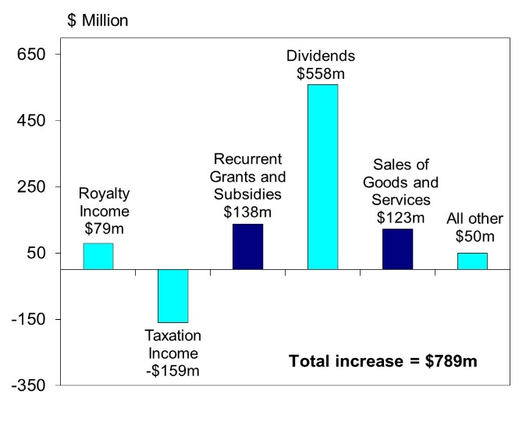

 | Chart Data |  |  | Chart Data | Change
 | Financial Year | Rev growth | Decade average | Royalty Income | $79m
 |  |  | 4.4 | Taxation Income | -$159m
 | 2007 | 10.9 |  | Recurrent Grants and Subsidies | $138m
 | 2008 | 5.6 |  | Dividends | $558m
 | 2009 | 1.6 |  | Sales of Goods and Services | $123m
 | 2010 | 20.9 |  | All other | $50m
 | 2011 | 4.1 |  | Total Increase | $789m
 | 2012 | -1.0
 | 2013 | 13.0
 | 2014 | -3.2
 | 2015 | -5.6
 | 2016 | 1.0
 | 2017 | 6.0

Figure 4
Figure 4

 |  | GENERAL GOVERNMENT EXPENSES

Growth, Six months to December |  |  | Change, Six months to December
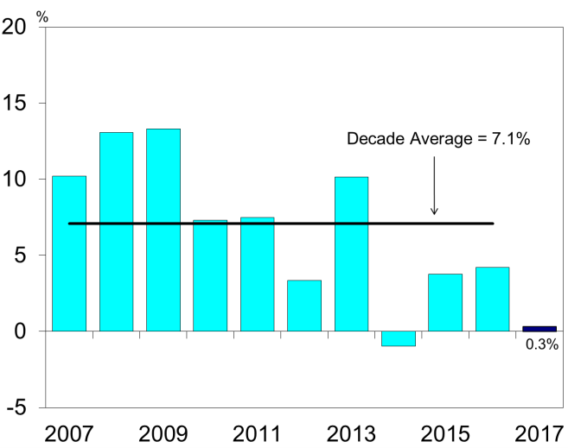
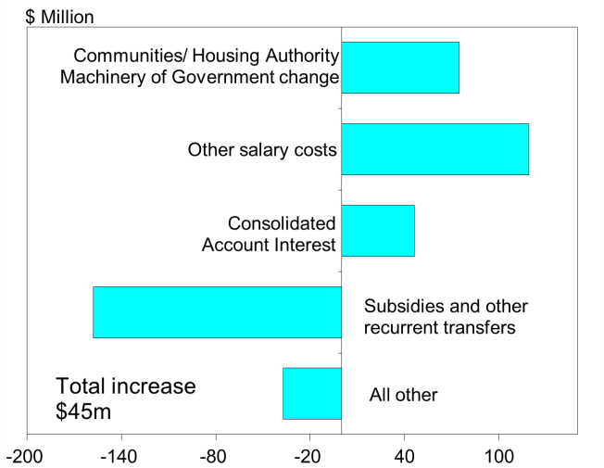

Chart Data |  |  | Chart Data
Financial Year | Expense growth | Decade average |  | Change
 |  | 7.1 | All other | -34
2007 | 10.2 |  | Subsidies and other transfers | -158
2008 | 13.1 |  | Consolidated Account Interest | 46
2009 | 13.3 |  | Other salary costs | 116
2010 | 7.3 |  | Communities/ Housing Authority Machinery of Government change | 75
2011 | 7.5 |  | Total increase | 45
2012 | 3.3
2013 | 10.1
2014 | -1.0
2015 | 3.8
2016 | 4.2
2017 | 0.3

Figure 6
Figure 6

GENERAL GOVERNMENT EXPENSES(a)
Six months to 31 December 2017

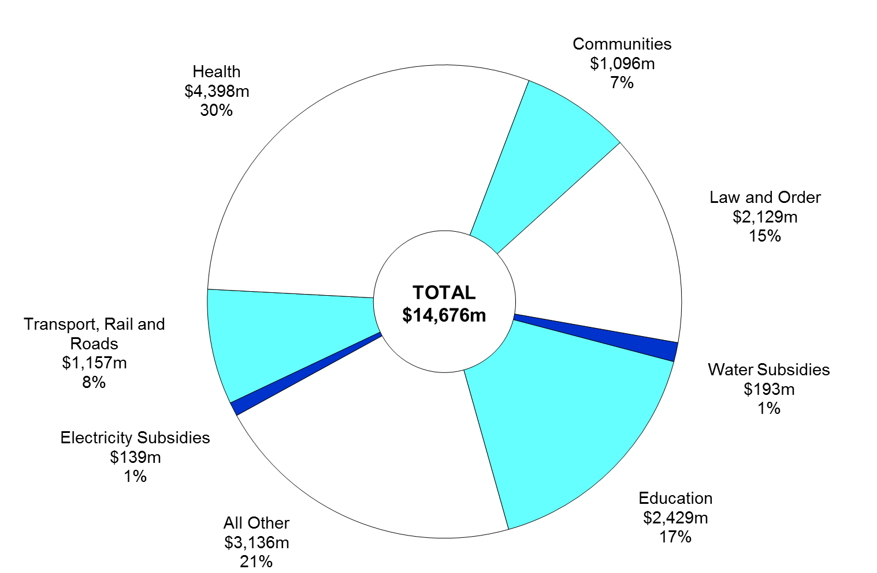

(a) Segments may not add due to rounding.

Chart Data | Dec-17 | %
Water Subsidies | $193m | 1
Education | $2,429m | 17
All Other | $3,136m | 21
Electricity Subsidies | $139m | 1
Transport, Rail and Roads | $1,157m | 8
Health | $4,398m | 30
Communities | $1,096m | 7
Law and Order | $2,129m | 15
Total | $14,676m | 100

Figure 7
Figure 7

ASSET INVESTMENT PROGRAM(a)
Six months to 31 December 2017
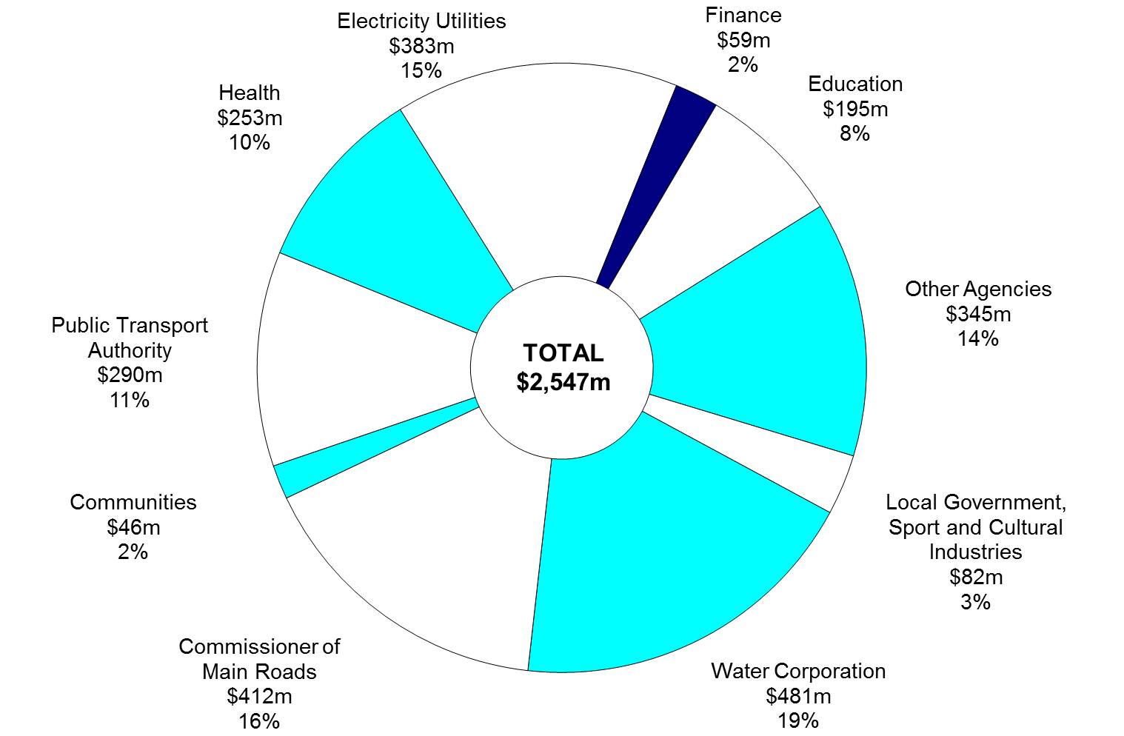

(a) Segments may not add due to rounding.

Chart Data | Dec-17 | %

Other Agencies | $348m | 14
Local Government, Sport and Cultural Industries | $82m | 3
Water Corporation | $481m | 19
Commissioner of Main Roads | $412m | 16
Communities | $46m | 2
Public Transport Authority | $290m | 11
Health | $253m | 10
Electricity Utilities | $383m | 15
Finance | $59m | 2
Education | $195m | 8
Total | $2,547m | 100

