Figure 1
Figure 1

NET OPERATING BALANCE
General Government Sector
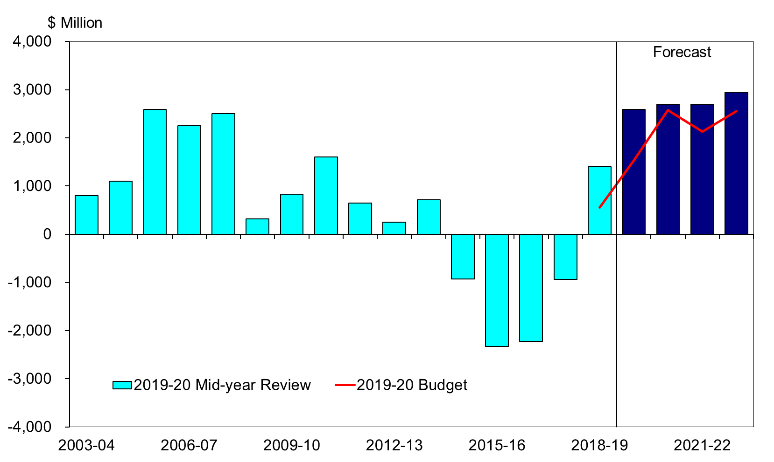

Chart data
 | 2003-04 | 2004-05 | 2005-06 | 2006-07 | 2007-08 | 2008-09 | 2009-10 | 2010-11 | 2011-12 | 2012-13 | 2013-14 | 2014-15 | 2015-16 | 2016-17 | 2017-18 | 2018-19 | 2019-20 | 2020-21 | 2021-22 | 2022-23
Net Operating Balance
2019-20 Mid-year Review ($m) |  |  |  |  |  |  |  |  |  |  |  |  |  |  |  |  | 2,589 | 2,700 | 2,699 | 2,944
2019-20 Budget ($m) |  |  |  |  |  |  |  |  |  |  |  |  |  |  |  | 553 | 1,533 | 2,579 | 2,133 | 2,554
Actuals ($m) | 799 | 1,104 | 2,593 | 2,254 | 2,507 | 318 | 831 | 1,604 | 649 | 249 | 719 | -930 | -2,333 | -2,221 | -942 | 1,405

Figure 2
Figure 2

CASH SURPLUS/DEFICIT
Total Public Sector
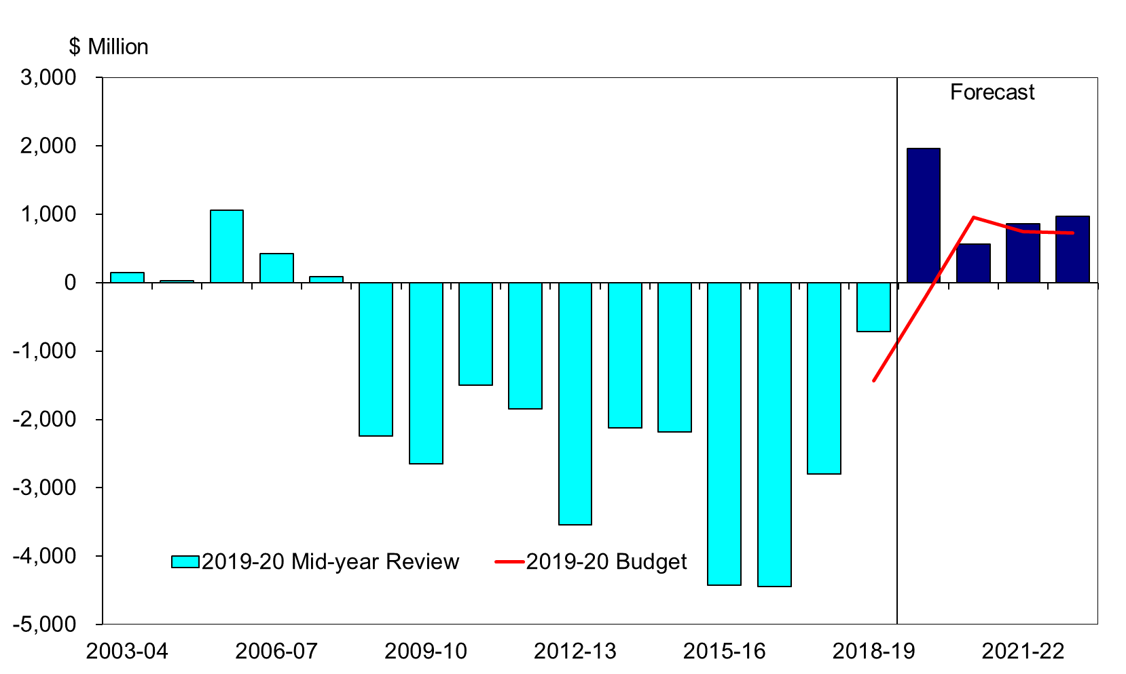

Chart data
 | 2003-04 | 2004-05 | 2005-06 | 2006-07 | 2007-08 | 2008-09 | 2009-10 | 2010-11 | 2011-12 | 2012-13 | 2013-14 | 2014-15 | 2015-16 | 2016-17 | 2017-18 | 2018-19 | 2019-20 | 2020-21 | 2021-22 | 2022-23
Cash surplus/deficit
2019-20 Mid-year Review ($m) |  |  |  |  |  |  |  |  |  |  |  |  |  |  |  |  | 1,961 | 560 | 866 | 968
2019-20 Budget ($m) |  |  |  |  |  |  |  |  |  |  |  |  |  |  |  | -1,438 | -248 | 954 | 747 | 729
Actuals ($m) | 143 | 32 | 1,064 | 426 | 92 | -2,238 | -2,647 | -1,501 | -1,851 | -3,541 | -2,124 | -2,179 | -4,421 | -4,443 | -2,799 | -715

Figure 3
Figure 3

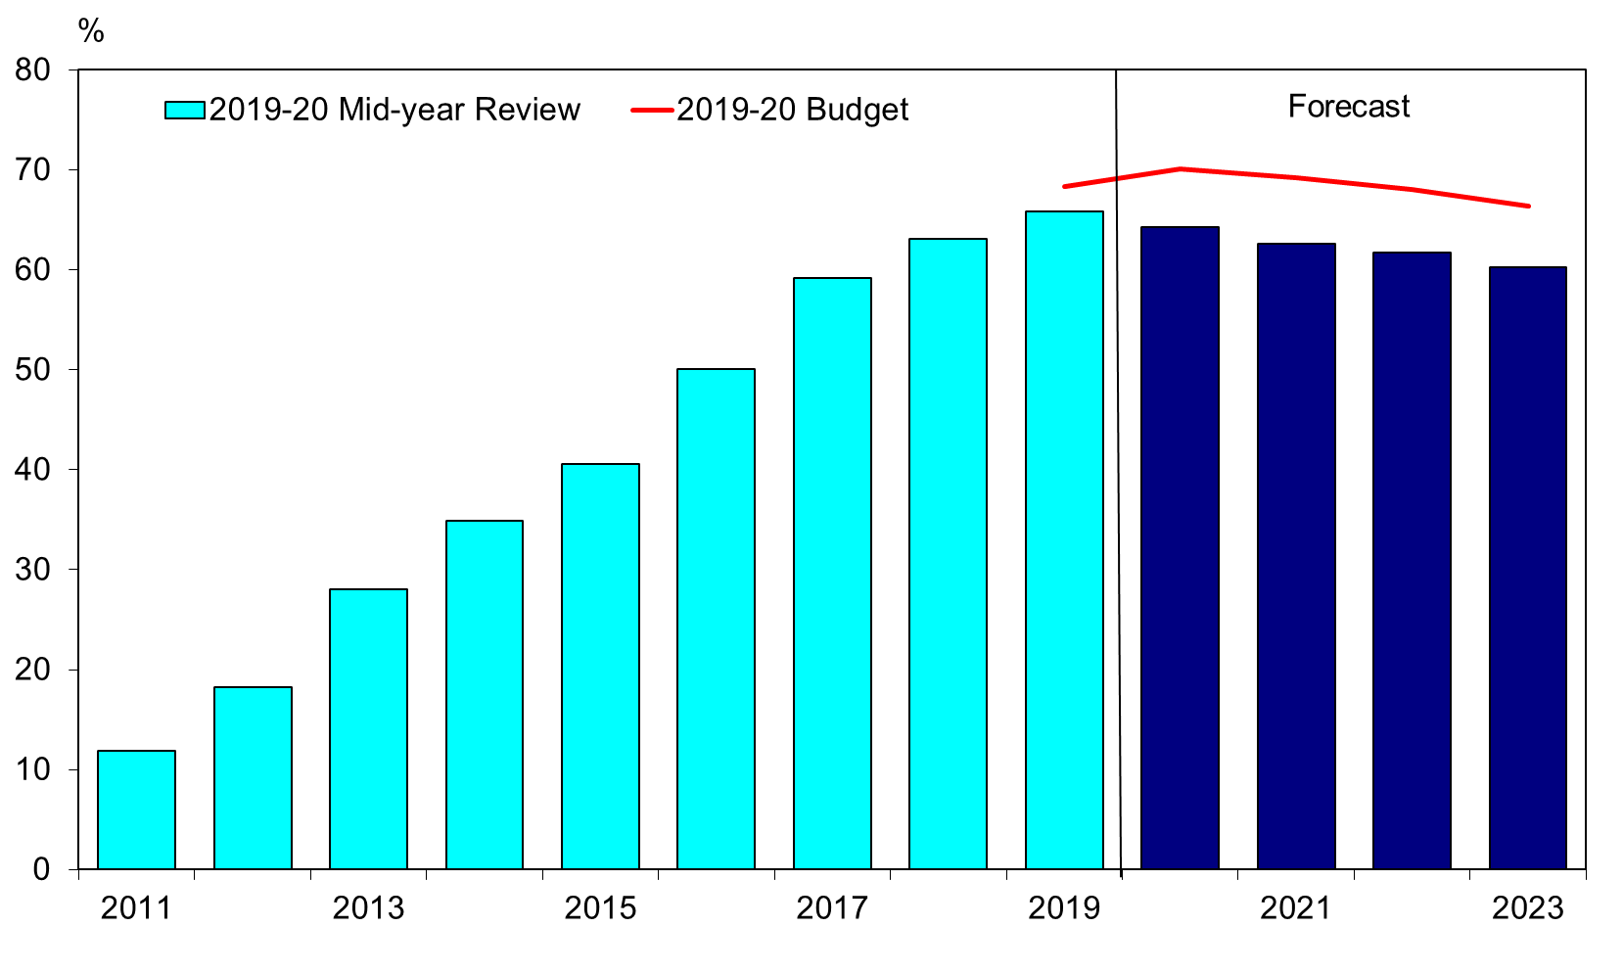
GENERAL GOVERNMENT NET DEBT PERCENTAGE OF TOTAL PUBLIC SECTOR NET DEBT
At 30 June

Chart Data
 | 2011 | 2012 | 2013 | 2014 | 2015 | 2016 | 2017 | 2018 | 2019 | 2020 | 2021 | 2022 | 2023
General Government Net Debt as a Share of Total Public Sector Net Debt
2019-20 Mid-year Review (%) |  |  |  |  |  |  |  |  |  | 64.3 | 62.6 | 61.7 | 60.3
2019-20 Budget (%) |  |  |  |  |  |  |  |  | 68.3 | 70.1 | 69.2 | 68.0 | 66.4
Actuals (%) | 11.8 | 18.3 | 28.1 | 34.9 | 40.6 | 50.1 | 59.2 | 63.1 | 65.9

